Cover Sheet
EC Employee Data
Configuration Workbook
for
DZ BANK

Biographical Info
JUMP BACK TO TOC
Iteration 2 Change | Iteration 3 Change | Customer Label (specify alternative label to "Biographical Information" if required)
Biographical Information (personInfo) |  |  |  |  |  |  |  |  |  |  |  |  |  |  |  |  |  |  |  |  |  |  |  |  | Learn More about this functionality:
 |  | System Field Id | SF Label | English US | German | Type | Max Length | Required | Customer Label | Mandatory | Picklist | Decimal Precision | Masking | Behaviour | Employee On Others | Employee On Themselves | Manager | 2nd Level Manager | HR Manager | HR Administrator | System Administrator | Global Mobility | Customer Comments | Description | The Person Information portlet defines the basic biographic information for the Employee as well as the ID used by the client internally to the Company
 |  | person-id-external | Person Id | Person ID | Personenkennung | STRING | 32 | View Only |  | Yes |  |  |  |  | None | None | View | None | View | Edit | Edit | View |  | This field contains the employee ID. You can manually assign employee IDs or have system-generated IDs. When you use system-generated IDs, set the visibility to “view” and add the attribute allow-import=”true” to this HRIS field in the data model. | View
 |  | date-of-birth | Date Of Birth | Date Of Birth | Geburtsdatum | DATE | 0 | Yes |  | Yes |  |  |  |  |  |  |  |  |  |  |  |  |  | You can enter the employee's date of birth here.
 |  | country-of-birth | Country Of Birth | Country Of Birth | Geburtsland | COUNTRY | 100 | Yes |  | No |  |  |  |  |  |  |  |  |  |  |  |  |  | You can enter the employee's country of birth here. The list of values comes from the predefined picklist country.
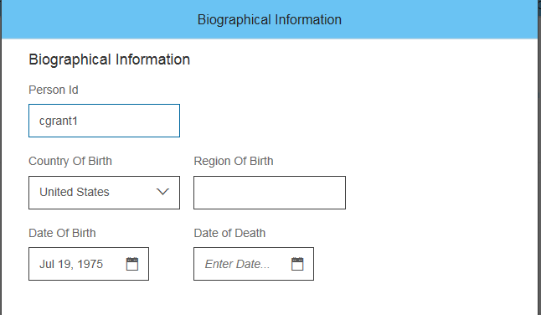
 |  | region-of-birth | Region Of Birth | Region Of Birth | Geburtsregion | STRING | 100 | No |  | No |  |  |  |  |  |  |  |  |  |  |  |  |  | Enter the region where the employee was born.
 |  | place-of-birth | Place Of Birth | Place Of Birth | Geburtsort | STRING | 100 | Yes |  | No |  |  |  |  |  |  |  |  |  |  |  |  |  | You can enter the town the employee was born, for example: Chicago. This field is required if you use payroll integration with SAP ERP. | Edit
 |  | birth-name | Birth Name | Birth Name | Geburtsname | STRING | 128 | Yes |  | No |  |  |  |  |  |  |  |  |  |  |  |  |  | You can enter the employee’s birth name here, for example: Smith. This field is required if you use payroll integration with SAP ERP. Note: If you have specified a formal name format (using a birth-name) for your legal entity and want to replicate to SAP ERP, leave this field in hris-element-id: personlInfo empty and specify the birth-name in the hris-element-id: personalInfo instead.
 |  | date-of-death | Date of Death | Date of Death | Todestag | DATE | 0 | No |  | No |  |  |  |  |  |  |  |  |  |  |  |  |  | You can enter the employee's date of death here.
 |  | attachment-id | Attachment | Attachment | Anhang | ATTACHMENT | 0 |  |  |  |  |  |  |  |  |  |  |  |  |  |  |  |  | If the biograpical info of an employee has a document such as birth certificate, this can be uploaded by this field.
 |  | custom-string1-20 | Custom String XX |  |  | STRING | 256 |  |  |  |  |  |  |  |  |  |  |  |  |  |  |  |  | Up to 20 custom strings can be configured.
 |  | custom-date1-10 | Custom Date XX |  |  | DATE |  |  |  |  |  |  |  |  |  |  |  |  |  |  |  |  |  | Up to 10 custom dates can be configured.
 |  | custom-long1-20 | Custom Long XX |  |  | LONG |  |  |  |  |  |  |  |  |  |  |  |  |  |  |  |  |  | Up to 20 custom numbers can be configured.
 |  | custom-double1-20 | Custom Double XX |  |  | DOUBLE |  |  |  |  |  |  |  |  |  |  |  |  |  |  |  |  |  | Up to 20 custom decimals can be configured.

Propagations / Business Rules
Function Rule Description
No Rules Executing

Personal Info
JUMP BACK TO TOC
Iteration 2 Change | Iteration 3 Change | Customer Label (specify alternative label to "Personal Information" if required)
 |  | Personal Information |  |  |  |  |  |  |  |  |  |  |  |  |  |  |  |  |  |  |  |  |  |  | Learn More about this functionality:
 |  | System Field Id | SF Label | Chinese (Simplified) | English US | German | Type | Max Length | Used | Visibility change to | Customer Label | Mandatory | Picklist | Decimal Precision | Masking | Employee On Others | Employee On Themselves | Manager | 2nd Level Manager | HR Manager | HR Administrator | System Administrator | Global Mobility | Comments | Personal Information stores information about an Employee's Name as well as demographic information. NB: Alternate Name fields are used for non-standard character sets. NB: This portlet also contains the Global Information included for the Employee This portlet includes effective dated history.
 |  | salutation | Salutation | 称呼 | Salutation | Anrede | STRING | 128 | Yes |  |  | Yes | salutation |  |  | Hide | Add Data | Hide | View Current | View Current & History | Correct Data | Correct Data | View Current & History | The list of values comes from the predefined picklist salutation and contains the following standard fields Mr, Mrs, Ms
 |  | first-name | First Name | 名字 | First Name | Vorname | STRING | 128 | Yes |  |  | Yes |  |  |  | View Current | View Current | Hide | View Current | View Current & History | Correct Data | Correct Data | View Current & History | Enter the employee's first name here.
 |  | last-name | Last Name | 姓氏 | Last Name | Nachname | STRING | 128 | Yes |  |  | Yes |  |  |  | View Current | Add Data | Hide | View Current | View Current & History | Correct Data | Correct Data | View Current & History | Enter the employee's last name here.
 |  | initials | Initials | 首字母 | Initials | Initialen | STRING | 128 | No |  |  | No |  |  |  | Hide | Add Data | Hide | Hide | View Current & History | Correct Data | Correct Data | View Current & History | Here you can enter an employee's initials, for example: J.D. | View
 |  | middle-name | Middle Name | 中间名 | Middle Name | Zweiter Vorname | STRING | 128 | No | No |  | No |  |  |  | Hide | Add Data | Hide | Hide | View Current & History | Correct Data | Correct Data | View Current & History | You can enter the employee's middle name here, if existing.
 |  | display-name | Display Name | 显示姓名 | Display Name | Anzeigename | STRING | 128 | Yes | Yes |  | No |  |  |  | Hide | Hide | Hide | Hide | View Current & History | Correct Data | Correct Data | View Current & History | Here you can enter the display name of the employee. For example, if an employee with the official Chinese name Shengjie prefers to be called Jason, you can enter Jason as the display name.
 |  | suffix |  |  |  | Titel |  |  | Yes |  |  | No | title
 |  | formal-name | Formal Name | 正式姓名 | Formal Name | Offizieller Name | STRING | 128 | Yes |  |  | No |  |  |  | Hide | Correct Data | Hide | View Current | View Current & History | Correct Data | Correct Data | View Current & History | Here you can enter the employee’s formal name.
 |  | birth-name | Birth Name | 出生姓名 | Birth Name | Geburtsname | STRING | 128 | No |  |  | No |  |  |  | Hide | Correct Data | Hide | Hide | View Current & History | Correct Data | Correct Data | View Current & History | Here you can enter the employee’s birth name. This field is required if you use payroll integration with SAP ERP. Note: If you have specified a formal name format (using a birth-name) for your legal entity and want to replicate to SAP ERP, specify the birthname in the hris-element-id: personalInfo and leave birth-name field in hris-element-id: personlInfo empty.
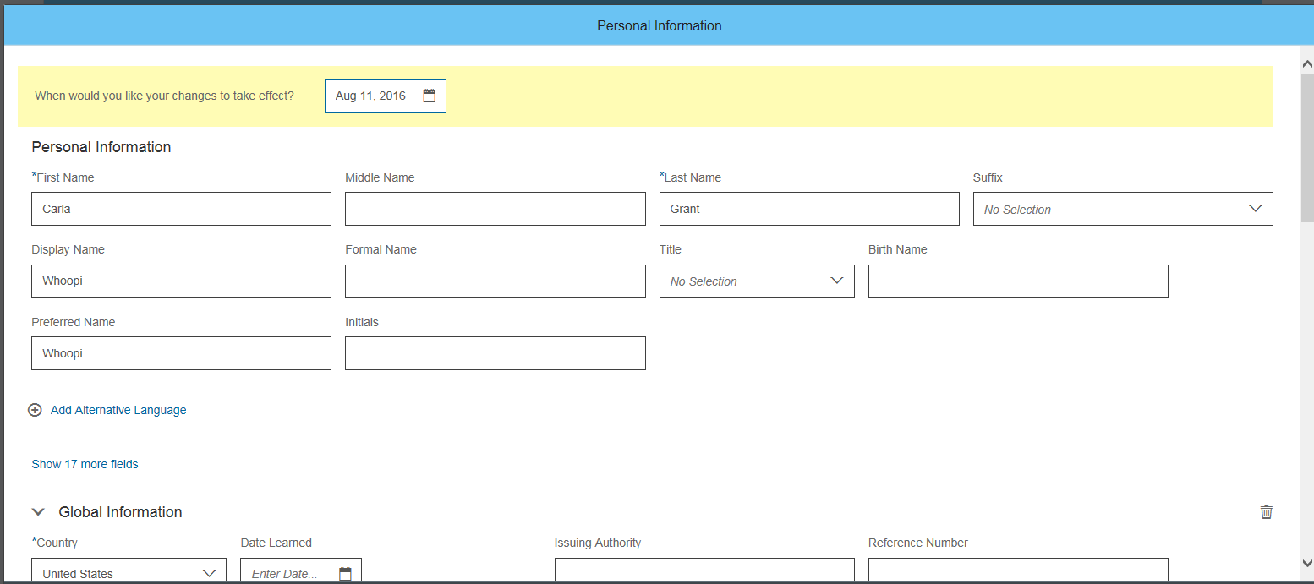
 |  | is-overridden | Customize Name Format | 定制姓名格式 | Customize Name Format | Namensformat anpassen | BOOLEAN | 128 | No |  |  | No |  |  |  | Hide | Hide | Hide | Hide | View Current & History | Correct Data | Correct Data | View Current & History | Here you can customize the employee’s name format, by selecting the country whose name format you wish to use. You can do this by clicking on Options.
 |  | nationality | Nationality | 国籍 | Nationality | Staatsangehörigkeit | COUNTRY | 128 | Yes |  |  | Yes |  |  |  | Hide | View Current | Hide | Hide | View Current & History | Correct Data | Correct Data | View Current & History | You can enter the employee’s nationality here, for example: Germany, USA, etc. This field is required if you use payroll integration with SAP ERP.
 |  | second-nationality | Second Nationality | 第二民族 | Second Nationality | Zweite Staatsangehörigkeit | COUNTRY | 128 | Yes |  |  | No |  |  |  | Hide | Correct Data | Hide | Hide | View Current & History | Correct Data | Correct Data | View Current & History | If the employee has a second nationality, you can enter it in this field.
 |  | third-nationality | Third Nationality | 第三民族 | Third Nationality | Dritte Staatsangehörigkeit | COUNTRY | 128 | Yes | Yes |  | No |  |  |  | Hide | Correct Data | Hide | Hide | View Current & History | Correct Data | Correct Data | View Current & History | If the employee has a third nationality, you can enter it in this field.
 |  | gender | Gender | 性别 | Gender | Geschlecht | STRING | 2 | Yes |  |  | Yes |  |  |  | Hide | Add Data | Hide | Hide | View Current & History | Correct Data | Correct Data | View Current & History | The list of values is system-defined and can only be be enabled by the Admin using the Upgrade Center. Do not configure this as a picklist. Possible values are: Male, Female, Unknown, Undeclared, Others To enable this list from the Upgrade Center:1. Log onto Provisioning and select the Admin 2.0 and Enable Compensation Admin 2.0 checkboxes.2. Save your changes.3. Navigate to the Upgrade Center.4. Under Optional Upgrades, select Enhancement to Gender Values . Note: The changes applied by the upgrade can be reversed within 10 days. To reverse changes, in the Upgrade Center, select View Recently Completed Upgrades. On the Completed Upgrades page, select Undo against Enhancement to Gender Values.
 |  | marital-status | Marital Status | 婚姻状况 | Marital Status | Familienstand | PICKLIST | 50 | Yes |  |  | No | ecMaritalStatus |  |  | Hide | Add Data | Hide | Hide | View Current & History | Correct Data | Correct Data | View Current & History | The list of values comes from the predefined picklist ecMaritalStatus and contains the following values: Married, Single, Divorced, Widow, Unknown, Cohabitation, Separated, Head of Household, Partnership, Cohabitation with Contract (Netherlands), Cohabitation without Contract (Netherlands), PACS (France)
 |  | since | Marital Status Since | 婚姻状况（自） | Marital Status Since | Familienstand seit | DATE | 128 | No |  |  | No |  |  |  | Hide | Hide | Hide | Hide | View Current & History | Correct Data | Correct Data | View Current & History | You can enter the date since when the marital status you indicated in the field marital-status is valid.
 |  | native-preferred-lang | Native Preferred Language | 本土首选语言 | Native Preferred Language | Muttersprache | STRING | 256 | Yes |  |  | No | language |  |  | Hide | Add Data | Hide | Hide | View Current & History | Correct Data | Correct Data | View Current & History | You can enter the preferred native language of the employee. The list of values comes from the predefined picklist Language. The external code is the ISO 639 code for each language. Stick to the ISO codes if you consider integration with SAP ERP.
 |  | suffix | Suffix | 后缀 | Suffix | Suffix | STRING | 128 | Yes |  |  | No | namesuffix |  |  | Hide | View Current | Hide | View Current | View Current & History | Correct Data | Correct Data | View Current & History | You can enter a name suffix, such as Jr, Sr, PhD, and so on. The list of values comes from the predefined picklist namesuffix.
 |  | name-prefix | Prefix | 前缀 | Prefix | Präfix | STRING | 128 | Yes | Yes |  | No | nameprefix |  |  | Hide | Hide | Hide | Hide | View Current & History | Correct Data | Correct Data | View Current & History | Here you can select an honorary title before the employee’s name if applicable, for example van or van der etc. The list of values come from a predefined picklist nameprefix. This field is getting converted from a free text to a picklist field. To get more details on how to do the conversion please refer to the announcement “New Picklist for Name Prefix Field” under Optional Upgrades in Upgrade Center.
 |  | second-title | Second Title | 第二职务 | Second Title | Zweiter Titel | STRING | 128 | No |  |  | No | secondTitle |  |  | Hide | Hide | Hide | Hide | View Current & History | Correct Data | Correct Data | View Current & History | Here you can enter the second title, for example: Phil. as the second title of Dr. Phil. John Smith. The list of values comes from the predefined picklist secondtitle.
 |  | partner-name | Partner Name | 伴侣姓名 | Partner Name | Name des Partners | STRING | 128 | No |  |  | No |  |  |  | Hide | Hide | Hide | Hide | View Current & History | Correct Data | Correct Data | View Current & History | Here you can enter the name of your partner.
 |  | partner-name-prefix | Partner Name Prefix | 伴侣姓名前缀 | Partner Name Prefix | Namenszusatz des Partners | STRING | 128 | No |  |  | No | nameprefix |  |  | Hide | Hide | Hide | Hide | View Current & History | Correct Data | Correct Data | View Current & History | Here you can select an honorary title before the employee’s partner’s name if applicable, for example van or van der etc. The list of values come from a predefined picklist nameprefix.
 |  | birth-name-alt1 | Birth Name | 出生姓名 | Birth Name | Geburtsname | STRING | 256 | No |  |  | No |  |  |  | Hide | Hide | Hide | Hide | View Current & History | Correct Data | Correct Data | View Current & History | Birth Name field in alternate sections of Personal Information portlet
 |  | birth-name-alt2 | Birth Name | 出生姓名 | Birth Name | Geburtsname | STRING | 256 | No |  |  | No |  |  |  | Hide | Hide | Hide | Hide | View Current & History | Correct Data | Correct Data | View Current & History | Birth Name field in alternate sections of Personal Information portlet
 |  | preferred-name | Preferred Name | 首选姓名 | Preferred Name | Bevorzugter Name | STRING | 128 | No |  |  | No |  |  |  | Hide | Hide | Hide | Hide | View Current & History | Correct Data | Correct Data | View Current & History | You can enter the employee's preferred name or nickname.
 |  | first-name-alt1 | Alt1 First Name | 名字备选 1 | First Name Alt1 | Vorname Alt1 | STRING | 128 | No |  |  | No |  |  |  | Hide | Hide | Hide | Hide | View Current & History | Correct Data | Correct Data | View Current & History | You can enter the employee's name in alternate characters used by the employee's native language. You can enter the first name in alternate character 1 here.
 |  | middle-name-alt1 | Alt1 Middle Name | 中间名备选 1 | Middle Name Alt1 | Zweiter Vorname Alt1 | STRING | 128 | No |  |  | No |  |  |  | Hide | Hide | Hide | Hide | View Current & History | Correct Data | Correct Data | View Current & History | You can enter the middle name in alternate character 1 here.
 |  | last-name-alt1 | Alt1 Last Name | 姓氏备选 1 | Last Name Alt1 | Nachname Alt1 | STRING | 128 | No |  |  | No |  |  |  | Hide | Hide | Hide | Hide | View Current & History | Correct Data | Correct Data | View Current & History | You can enter the last name in alternate character 1 here.
 |  | first-name-alt2 | Alt2 First Name | 名字备选 2 | First Name Alt2 | Vorname Alt2 | STRING | 128 | No |  |  | No |  |  |  | Hide | Hide | Hide | Hide | View Current & History | Correct Data | Correct Data | View Current & History | You can enter the first name in alternate character 2 here.
 |  | middle-name-alt2 | Alt2 Middle Name | 中间名备选 2 | Middle Name Alt2 | Zweiter Vorname Alt2 | STRING | 128 | No |  |  | No |  |  |  | Hide | Hide | Hide | Hide | View Current & History | Correct Data | Correct Data | View Current & History | You can enter the middle name in alternate character 2 here.
 |  | last-name-alt2 | Alt2 Last Name | 姓氏备选 2 | Last Name Alt2 | Nachname Alt2 | STRING | 128 | No |  |  | No |  |  |  | Hide | Hide | Hide | Hide | View Current & History | Correct Data | Correct Data | View Current & History | You can enter the last name in alternate character 2 here.
 |  | display-name-alt1 | Display Name Alt1 | 显示姓名备选项 1 | Display Name Alt1 | Anzeigename Alt1 | STRING | 128 | No |  |  | No |  |  |  | Hide | Hide | Hide | Hide | View Current & History | Correct Data | Correct Data | View Current & History | Here you can enter an employee’s display name in an a second language.
 |  | display-name-alt2 | Display Name Alt2 | 显示姓名备选项 2 | Display Name Alt2 | Anzeigename Alt2 | STRING | 128 | No |  |  | No |  |  |  | Hide | Hide | Hide | Hide | View Current & History | Correct Data | Correct Data | View Current & History | Here you can enter an employee’s display name in a third language. | Edit
 |  | formal-name-alt1 | Formal Name Alt1 | 正式姓名备选项 1 | Formal Name Alt1 | Offizieller Name Alt1 | STRING | 128 | No |  |  | No |  |  |  | Hide | Hide | Hide | Hide | View Current & History | Correct Data | Correct Data | View Current & History | Here you can enter an employee’s formal name in a second language.
 |  | formal-name-alt2 | Formal Name Alt2 | 正式姓名备选项 2 | Formal Name Alt2 | Offizieller Name Alt2 | STRING | 128 | No |  |  | No |  |  |  | Hide | Hide | Hide | Hide | View Current & History | Correct Data | Correct Data | View Current & History | Here you can enter an employee’s formal name in a third language.
 |  | script | Language Script | 语言脚本 | Language Script | Schrift für Sprache | STRING | 256 | No |  |  | No |  |  |  | Hide | Hide | Hide | Hide | View Current & History | Correct Data | Correct Data | View Current & History | In the ‘Language Script’ field the user defines the Language Script that is used for maintaining the corresponding set of name fields. This enables integrated systems to better identify the receiving data – knowing the Language Script in which name elements are maintained. With this new feature the user is able to define the language script which is being made use of in the corresponding set of name elements.
 |  | script-alt1 | Language Script | 语言脚本 | Language Script | Schrift für Sprache | STRING | 256 | No |  |  | No |  |  |  | Hide | Hide | Hide | Hide | View Current & History | Correct Data | Correct Data | View Current & History | As above
 |  | script-alt2 | Language Script | 语言脚本 | Language Script | Schrift für Sprache | STRING | 256 | No |  |  | No |  |  |  | Hide | Hide | Hide | Hide | View Current & History | Correct Data | Correct Data | View Current & History | As above
 |  | third-name | Third Name | 第三个名字 | Third Name | Dritter Name | STRING | 256 | No |  |  | No |  |  |  | Hide | Hide | Hide | Hide | View Current & History | Correct Data | Correct Data | View Current & History | Enter the employee's third name here.
 |  | third-name-alt1 | Third Name | 第三个名字 | Third Name | Dritter Name | STRING | 256 | No |  |  | No |  |  |  | Hide | Hide | Hide | Hide | View Current & History | Correct Data | Correct Data | View Current & History | You can enter the third name in alternate character 1 here.
 |  | third-name-alt2 | Third Name | 第三个名字 | Third Name | Dritter Name | STRING | 256 | No |  |  | No |  |  |  | Hide | Hide | Hide | Hide | View Current & History | Correct Data | Correct Data | View Current & History | You can enter the third name in alternate character 2 here.
 |  | custom-string2-20 | Custom String XX |  |  |  | STRING | 256 | No |  |  | No |  |  |  | Hide | Hide | Hide | Hide | View Current & History | Correct Data | Correct Data | View Current & History | Up to 20 custom strings can be configured.
 |  | custom-date1-10 | Custom Date XX |  |  |  | DATE |  |  |  |  |  |  |  |  |  |  |  |  |  |  |  |  | Up to 10 custom dates can be configured.
 |  | custom-long1-20 | Custom Long XX |  |  |  | LONG |  |  |  |  |  |  |  |  |  |  |  |  |  |  |  |  | Up to 20 custom numbers can be configured.
 |  | custom-double1-20 | Custom Double XX |  |  |  | DOUBLE |  |  |  |  |  |  |  |  |  |  |  |  |  |  |  |  | Up to 20 custom decimals can be configured.

Propagations / Business Rules
Function Rule Description
MC_GenderDefault - Rule to default Gender based on Salutation Value entered
MC_PreferredNameDefault - Rule to default Firs Name in to Preferred Name Field if Preferred Name Field is blank

 |  |  |  |  | Familienstand |  | Niederlande weg

 |  |  |  |  |  |  | unbekannt weg
 |  |  |  |  |  |  | Haushaltsvorstand weg

 |  |  |  |  | Anrede |  | Übersetzung MS wird Fräulein

CSF Personal Info (Global Info)
JUMP BACK TO TOC
Iteration 2 Change | Iteration 3 Change
 |  | Country Specific Personal Information |  |  |  |  |  |  |  |  |  |  |  |  |  |  |  |  |  |  |  |  |  |  |  |  |  |  |  |  |  |  |  |  | Learn More about this functionality:
 |  | Country | Classification | System Field Id | SF Label | Chinese (Simplified) | Dutch | English US | English GB | French CA | French FR | German | Italian | Portuguese BR | Spanish MX | Spanish ES | Japanese | Type | Max Length | Required | Customer Label | Mandatory | Picklist | Decimal Precision | Masking | Employee On Others | Employee On Themselves | Manager | 2nd Level Manager | HR Manager | HR Systems Administrator | System Administrator | Global Mobility | Comments | Global Information is the portlet that allows the customer to define individual fields that are specific to each Country being used within the system. Each field defined is individualized per Country NB: An Employee can have multiple Countries assigned to them at one point This portlet includes effective dated history.
 |  | Argentina (ARG) | Children | genericNumber2 | Number of Children | 子女数 | Aantal kinderen | Number of Children | Number of Children | Nombre d'enfants | Nombre d'enfants | Anzahl der Kinder | Numero di figli | Número de filhos | Número de hijos | Número de hijos |  | LONG | 60 | Yes |  | No |  |  |  | Hide | Hide | Hide | Hide | View Current & History | Correct Data | Correct Data | View Current & History | If applicable, enter the number of children of the employee.
 |  | Argentina (ARG) | Disability | genericDate1 | Date Learned | 获知日期 | Datum kennisneming | Date Learned | Date Learned | Date de déclaration | Date de déclaration | Mitteilungsdatum | Data di notifica | Data de conhecimento | Fecha de reconocimiento | Fecha de reconocimiento |  | DATE | 0 | Yes |  | No |  |  |  | Hide | Hide | Hide | Hide | View Current & History | Correct Data | Correct Data | View Current & History | Enter the date on which the employer learned of the disability.
 |  | Argentina (ARG) | Disability | genericString1 | Challenge Group | 伤残组 | Invaliditeitsgroep | Challenge Group | Challenge Group | Groupe de handicaps | Groupe de handicapés | Einschränkungsgruppe | Gruppo di disabilità | Grupo de deficiência | Grupo de discapacidad | Grupo de discapacidad |  | PICKLIST | 256 | Yes |  | No | challengeGroup |  |  | Hide | Hide | Hide | Hide | View Current & History | Correct Data | Correct Data | View Current & History | Here you can select the severity of challenge. The list of values comes from the predefined picklist: challengeGroup.
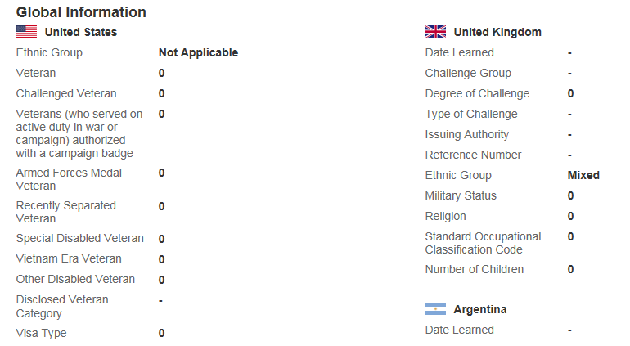
 |  | Argentina (ARG) | Disability | genericNumber1 | Degree of Challenge | 伤残等级 | Mate van invaliditeit | Degree of Challenge | Degree of Challenge | Degré de handicap | Taux de handicap | Einschränkungsgrad | Grado di disabilità | Grau da deficiência | Grado de discapacidad | Grado de discapacidad |  | LONG | 38 | Yes |  | No |  |  |  | Hide | Hide | Hide | Hide | View Current & History | Correct Data | Correct Data | View Current & History | Enter the extent that the employee is challenged.
 |  | Argentina (ARG) | Disability | genericString2 | Type of Challenge | 伤残类型 | Type invaliditeit | Type of Challenge | Type of Challenge | Type de handicap | Type de handicap | Art der Einschränkung | Tipo di disabilità | Tipo de deficiência | Tipo de discapacidad | Tipo de discapacidad |  | PICKLIST | 256 | Yes |  | No | typeOfChallenge |  |  | Hide | Hide | Hide | Hide | View Current & History | Correct Data | Correct Data | View Current & History | Here you can select the type of challenge. The list of values comes from the predefined picklist: typeOfChallenge. |  | View
 |  | Argentina (ARG) | Disability | genericString3 | Issuing Authority | 颁发机构 | Uitgevende instantie | Issuing Authority | Issuing Authority | Autorité émettrice | Autorité de délivrance | Ausgabestelle | Autorità emissione | Autoridade emissora | Autoridad emisora | Autoridad emisora |  | STRING | 256 | Yes |  | No |  |  |  | Hide | Hide | Hide | Hide | View Current & History | Correct Data | Correct Data | View Current & History | Enter the agency of the issuing authority that certified the challenge.
 |  | Argentina (ARG) | Disability | genericString4 | Reference Number | 参考编号 | Referentienummer | Reference Number | Reference Number | Numéro de référence | Numéro de référence | Referenznummer | Numero di riferimento | Número de referência | Número de referencia | Número de referencia |  | STRING | 256 | Yes |  | No |  |  |  | Hide | Hide | Hide | Hide | View Current & History | Correct Data | Correct Data | View Current & History | Enter the reference number of the authority that certified the challenge.
 |  | Australia (AUS) | Children | genericNumber1 | Number of Children | 子女数 | Aantal kinderen | Number of Children | Number of Children | Nombre d'enfants | Nombre d'enfants | Anzahl der Kinder | Numero di figli | Número de filhos | Número de hijos | Número de hijos |  | LONG | 256 | Yes |  | No |  |  |  | Hide | Hide | Hide | Hide | View Current & History | Correct Data | Correct Data | View Current & History | If applicable, enter the number of children of the employee.
 |  | Australia (AUS) | Religion | genericString1 | Religion | 宗教 | Religie | Religion | Religion | Religion | Religion | Religion | Religione | Religião | Religión | Religión |  | PICKLIST | 256 | Yes |  | No | RELIGION_AUS |  |  | Hide | Hide | Hide | Hide | View Current & History | Correct Data | Correct Data | View Current & History | Here you can enter the religion of the employee.
 |  | Australia (AUS) | Disability | genericNumber2 | Degree of Challenge | 伤残等级 | Mate van invaliditeit | Degree of Challenge | Degree of Challenge | Degré de handicap | Taux de handicap | Einschränkungsgrad | Grado di disabilità | Grau da deficiência | Grado de discapacidad | Grado de discapacidad |  | LONG | 38 | Yes |  | No |  |  |  | Hide | Hide | Hide | Hide | View Current & History | Correct Data | Correct Data | View Current & History | Enter the extent that the employee is challenged.
 |  | Australia (AUS) | Disability | genericString2 | Challenge Group | 伤残组 | Invaliditeitsgroep | Challenge Group | Challenge Group | Groupe de handicaps | Groupe de handicapés | Einschränkungsgruppe | Gruppo di disabilità | Grupo de deficiência | Grupo de discapacidad | Grupo de discapacidad |  | PICKLIST | 256 | Yes |  | No | challengeGroup |  |  | Hide | Hide | Hide | Hide | View Current & History | Correct Data | Correct Data | View Current & History | Here you can select the severity of challenge. The list of values comes from the predefined picklist: challengeGroup.
 |  | Australia (AUS) | Disability | genericString3 | Type of Challenge | 伤残类型 | Type invaliditeit | Type of Challenge | Type of Challenge | Type de handicap | Type de handicap | Art der Einschränkung | Tipo di disabilità | Tipo de deficiência | Tipo de discapacidad | Tipo de discapacidad |  | PICKLIST | 256 | Yes |  | No | typeOfChallenge |  |  | Hide | Hide | Hide | Hide | View Current & History | Correct Data | Correct Data | View Current & History | Here you can select the type of challenge. The list of values comes from the predefined picklist: typeOfChallenge.
 |  | Australia (AUS) | Disability | genericString4 | Issuing Authority | 颁发机构 | Uitgevende instantie | Issuing Authority | Issuing Authority | Autorité émettrice | Autorité de délivrance | Ausgabestelle | Autorità emissione | Autoridade emissora | Autoridad emisora | Autoridad emisora |  | STRING | 256 | Yes |  | No |  |  |  | Hide | Hide | Hide | Hide | View Current & History | Correct Data | Correct Data | View Current & History | Enter the agency of the issuing authority that certified the challenge.
 |  | Australia (AUS) | Disability | genericString5 | Reference Number | 参考编号 | Referentienummer | Reference Number | Reference Number | Numéro de référence | Numéro de référence | Referenznummer | Numero di riferimento | Número de referência | Número de referencia | Número de referencia |  | STRING | 256 | Yes |  | No |  |  |  | Hide | Hide | Hide | Hide | View Current & History | Correct Data | Correct Data | View Current & History | Enter the reference number of the authority that certified the challenge.
 |  | Australia (AUS) | Disability | genericString6 | Aboriginal | 土著人 | Aboriginal | Aboriginal | Aboriginal | Aborigène | Aborigène | Aborigine | Autoctono | Aborígine | Aborigen | Aborigen |  | PICKLIST | 256 | Yes |  | No | yesNo |  |  | Hide | Hide | Hide | Hide | View Current & History | Correct Data | Correct Data | View Current & History | Enter yes/no value for Aboriginal.
 |  | Australia (AUS) | Disability | genericDate1 | Date Learned | 获知日期 | Datum kennisneming | Date Learned | Date Learned | Date de déclaration | Date de déclaration | Mitteilungsdatum | Data di notifica | Data de conhecimento | Fecha de reconocimiento | Fecha de reconocimiento |  | DATE | 0 | Yes |  | No |  |  |  | Hide | Hide | Hide | Hide | View Current & History | Correct Data | Correct Data | View Current & History | Enter the date on which the employer learned of the disability.
 |  | Austria (AUT) | Children | genericNumber1 | Number of Children | 子女数 | Aantal kinderen | Number of Children | Number of Children | Nombre d'enfants | Nombre d'enfants | Anzahl der Kinder | Numero di figli | Número de filhos | Número de hijos | Número de hijos |  | LONG | 256 | Yes |  | No |  |  |  | Hide | Hide | Hide | Hide | View Current & History | Correct Data | Correct Data | View Current & History | If applicable, enter the number of children of the employee.
 |  | Austria (AUT) | Religion | genericString1 | Religion | 宗教 | Religie | Religion | Religion | Religion | Religion | Religion | Religione | Religião | Religión | Religión |  | PICKLIST | 256 | Yes |  | No | RELIGION_AUT |  |  | Hide | Hide | Hide | Hide | View Current & History | Correct Data | Correct Data | View Current & History | Here you can enter the religion of the employee.
 |  | Austria (AUT) | Disability | genericString2 | Challenge Group | 伤残组 | Invaliditeitsgroep | Challenge Group | Challenge Group | Groupe de handicaps | Groupe de handicapés | Einschränkungsgruppe | Gruppo di disabilità | Grupo de deficiência | Grupo de discapacidad | Grupo de discapacidad |  | PICKLIST | 256 | Yes |  | No | challengeGroup |  |  | Hide | Hide | Hide | Hide | View Current & History | Correct Data | Correct Data | View Current & History | Here you can select the severity of challenge. The list of values comes from the predefined picklist: challengeGroup.
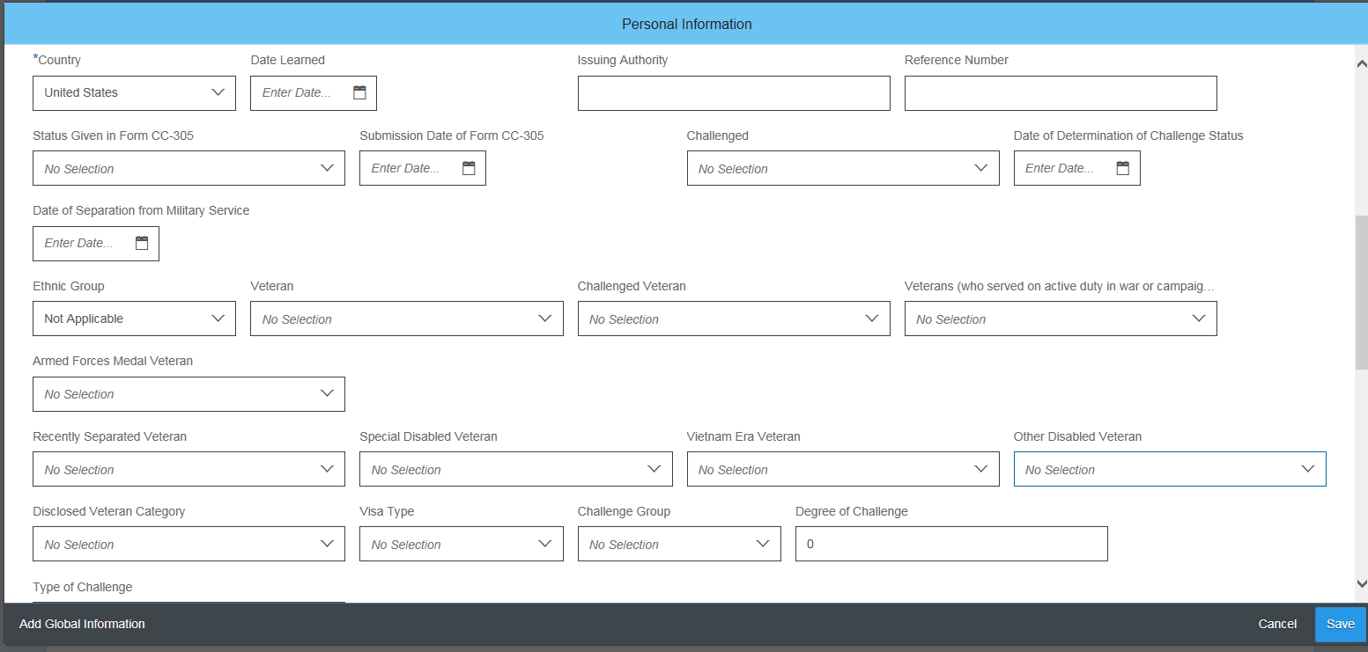
 |  | Austria (AUT) | Disability | genericString3 | Type of Challenge | 伤残类型 | Type invaliditeit | Type of Challenge | Type of Challenge | Type de handicap | Type de handicap | Art der Einschränkung | Tipo di disabilità | Tipo de deficiência | Tipo de discapacidad | Tipo de discapacidad |  | PICKLIST | 256 | Yes |  | No | typeOfChallenge |  |  | Hide | Hide | Hide | Hide | View Current & History | Correct Data | Correct Data | View Current & History | Here you can select the type of challenge. The list of values comes from the predefined picklist: typeOfChallenge.
 |  | Austria (AUT) | Disability | genericString4 | Issuing Authority | 颁发机构 | Uitgevende instantie | Issuing Authority | Issuing Authority | Autorité émettrice | Autorité de délivrance | Ausgabestelle | Autorità emissione | Autoridade emissora | Autoridad emisora | Autoridad emisora |  | STRING | 256 | Yes |  | No |  |  |  | Hide | Hide | Hide | Hide | View Current & History | Correct Data | Correct Data | View Current & History | Enter the agency of the issuing authority that certified the challenge. |  | Edit
 |  | Austria (AUT) | Disability | genericString5 | Reference Number | 参考编号 | Referentienummer | Reference Number | Reference Number | Numéro de référence | Numéro de référence | Referenznummer | Numero di riferimento | Número de referência | Número de referencia | Número de referencia |  | STRING | 256 | Yes |  | No |  |  |  | Hide | Hide | Hide | Hide | View Current & History | Correct Data | Correct Data | View Current & History | Enter the reference number of the authority that certified the challenge.
 |  | Austria (AUT) | Disability | genericDate1 | Date Learned | 获知日期 | Datum kennisneming | Date Learned | Date Learned | Date de déclaration | Date de déclaration | Mitteilungsdatum | Data di notifica | Data de conhecimento | Fecha de reconocimiento | Fecha de reconocimiento |  | DATE | 0 | Yes |  | No |  |  |  | Hide | Hide | Hide | Hide | View Current & History | Correct Data | Correct Data | View Current & History | Enter the date on which the employer learned of the disability.
 |  | Bangladesh (BGD) | General | genericString1 | Ethnic Group | 民族 | Etnische groepering | Ethnic Group | Ethnic Group | Groupe ethnique | Groupe ethnique | Ethnische Zugehörigkeit | Gruppo etnico | Grupo étnico | Grupo étnico | Grupo étnico |  | STRING | 256 | Yes |  | No | ETHNIC_GROUP_BGD |  |  | Hide | Hide | Hide | Hide | View Current & History | Correct Data | Correct Data | View Current & History | Enter the employee's ethnic group
 |  | Bangladesh (BGD) | General | genericString2 | Academic Title | 学衔 | Academische titel | Academic Title | Academic Title | Titre universitaire | Titre universitaire | Akademischer Titel | Titolo accademico | Título acadêmico | Título académico | Título académico |  | STRING | 0 | Yes |  | No | ACADEMIC_TITLE |  |  | Hide | Hide | Hide | Hide | View Current & History | Correct Data | Correct Data | View Current & History | Enter the employee's academic title
 |  | Bangladesh (BGD) | Military Serice | genericNumber1 | Military Service | 兵役 | Militaire dienst | Military Service | Military Service | Service militaire | Service militaire | Wehrdienst | Servizio militare | Serviço militar | Servicio militar | Servicio militar |  | LONG | 38 | Yes |  | No | yesNo |  |  | Hide | Hide | Hide | Hide | View Current & History | Correct Data | Correct Data | View Current & History | Specify if the employee was in miltary service
 |  | Bangladesh (BGD) | Religion | genericString3 | Religion | 宗教 | Religie | Religion | Religion | Religion | Religion | Religion | Religione | Religião | Religión | Religión |  | STRING | 38 | Yes |  | No | RELIGION_BGD |  |  | Hide | Hide | Hide | Hide | View Current & History | Correct Data | Correct Data | View Current & History | Enter the employee's religion
 |  | Bangladesh (BGD) | Children | genericNumber2 | Number of Children | 子女数 | Aantal kinderen | Number of Children | Number of Children | Nombre d'enfants | Nombre d'enfants | Anzahl der Kinder | Numero di figli | Número de filhos | Número de hijos | Número de hijos |  | LONG | 3 | Yes |  | No |  |  |  | Hide | Hide | Hide | Hide | View Current & History | Correct Data | Correct Data | View Current & History | If applicable, enter the number of children of the employee.
 |  | Bangladesh (BGD) | Disability | genericString4 | Disability Certificate Number | 残疾证编号 | Certificaatnummer van handicap | Disability Certificate Number | Disability Certificate Number | Numéro de certificat d'invalidité | Numéro de certificat d'invalidité | Nummer des Behindertenausweises | Numero certificato di disabilità | Número do certificado de deficiência | Número de certificado de discapacidad | Número de certificado de discapacidad |  | STRING | 256 | Yes |  | No |  |  |  | Hide | Hide | Hide | Hide | View Current & History | Correct Data | Correct Data | View Current & History | Enter the agency of the issuing authority that certified the challenge.
 |  | Bangladesh (BGD) | Disability | genericDate1 | Date Learned | 获知日期 | Datum kennisneming | Date Learned | Date Learned | Date de déclaration | Date de déclaration | Mitteilungsdatum | Data di notifica | Data de conhecimento | Fecha de reconocimiento | Fecha de reconocimiento |  | DATE | 0 | Yes |  | No |  |  |  | Hide | Hide | Hide | Hide | View Current & History | Correct Data | Correct Data | View Current & History | Enter the date on which the employer learned of the disability.
 |  | Bangladesh (BGD) | Disability | genericNumber3 | Challenged | 伤残 | Invalide | Challenged | Challenged | Handicapé | Handicapé(e) | Mit Einschränkung | Disabile | Com deficiência | Discapacitado | Discapacitado |  | LONG | 0 | Yes |  | No | yesNo |  |  | Hide | Hide | Hide | Hide | View Current & History | Correct Data | Correct Data | View Current & History | Enter whether the employee is challenged by a disability.
 |  | Bangladesh (BGD) | Disability | genericString5 | Challenge Group | 伤残组 | Invaliditeitsgroep | Challenge Group | Challenge Group | Groupe de handicaps | Groupe de handicapés | Einschränkungsgruppe | Gruppo di disabilità | Grupo de deficiência | Grupo de discapacidad | Grupo de discapacidad |  | STRING | 0 | Yes |  | No | challengeGroup |  |  | Hide | Hide | Hide | Hide | View Current & History | Correct Data | Correct Data | View Current & History | Here you can select the severity of challenge. The list of values comes from the predefined picklist: challengeGroup.
 |  | Bangladesh (BGD) | Disability | genericNumber4 | Degree of Challenge | 伤残等级 | Mate van invaliditeit | Degree of Challenge | Degree of Challenge | Degré de handicap | Taux de handicap | Einschränkungsgrad | Grado di disabilità | Grau da deficiência | Grado de discapacidad | Grado de discapacidad |  | LONG | 38 | Yes |  | No |  |  |  | Hide | Hide | Hide | Hide | View Current & History | Correct Data | Correct Data | View Current & History | Enter the extent that the employee is challenged.
 |  | Bangladesh (BGD) | Disability | genericString6 | Type of Challenge | 伤残类型 | Type invaliditeit | Type of Challenge | Type of Challenge | Type de handicap | Type de handicap | Art der Einschränkung | Tipo di disabilità | Tipo de deficiência | Tipo de discapacidad | Tipo de discapacidad |  | STRING | 38 | Yes |  | No | typeOfChallenge_BGD |  |  | Hide | Hide | Hide | Hide | View Current & History | Correct Data | Correct Data | View Current & History | Here you can select the type of challenge. The list of values comes from the predefined picklist: typeOfChallenge.
 |  | Bangladesh (BGD) | Disability | genericString7 | Disability Type | 残疾类型 | Type handicap | Disability Type | Disability Type | Type d'invalidité | Type de handicap | Art der Behinderung | Tipo di invalidità | Tipo de invalidez | Tipo de discapacidad | Tipo de discapacidad |  | STRING | 38 | Yes |  | No | Disability_Type_BGD |  |  | Hide | Hide | Hide | Hide | View Current & History | Correct Data | Correct Data | View Current & History | Here you can select the disability type.
 |  | Bangladesh (BGD) | Disability | genericString8 | Issuing Authority | 颁发机构 | Uitgevende instantie | Issuing Authority | Issuing Authority | Autorité émettrice | Autorité de délivrance | Ausgabestelle | Autorità emissione | Autoridade emissora | Autoridad emisora | Autoridad emisora |  | STRING | 38 | Yes |  | No |  |  |  | Hide | Hide | Hide | Hide | View Current & History | Correct Data | Correct Data | View Current & History | Enter the agency of the issuing authority that certified the challenge.
 |  | Bangladesh (BGD) | Disability | genericNumber5 | Reference Number | 参考编号 | Referentienummer | Reference Number | Reference Number | Numéro de référence | Numéro de référence | Referenznummer | Numero di riferimento | Número de referência | Número de referencia | Número de referencia |  | LONG | 0 | Yes |  | No |  |  |  | Hide | Hide | Hide | Hide | View Current & History | Correct Data | Correct Data | View Current & History | Enter the reference number of the authority that certified the challenge.
 |  | Bangladesh (BGD) | Children | genericNumber6 | Child is Entitled to Benefit | 子女有资格领取福利 | Kind heeft recht op bijslag | Child is Entitled to Benefit | Child is Entitled to Benefit | L'enfant peut bénéficier des avantages | Enfant admissible pour allocations | Kind hat Anspruch auf Zusatzleistung | Il figlio ha diritto all'indennità | Filho com direito a benefício | El hijo tiene derecho a recibir beneficios laborales | El hijo tiene derecho a recibir prestaciones |  | LONG | 3 | Yes |  | No | yesNo |  |  | Hide | Hide | Hide | Hide | View Current & History | Correct Data | Correct Data | View Current & History | Enter if the child is entitled to benefit
 |  | Bangladesh (BGD) | Children | genericNumber7 | Child Education Allowances | 子女教育津贴 | Onderwijssubsidies kind | Child Education Allowances | Child Education Allowances | Indemnités d'éducation pour enfant | Indemnités d'études pour les enfants | Beihilfen für Schulbesuch der Kinder | Retribuzione maggiorata per istruzione del figlio | Auxílio-educação para filhos | Compensaciones para educación de hijos | Subvenciones para educación de hijos |  | LONG | 256 | Yes |  | No | yesNo |  |  | Hide | Hide | Hide | Hide | View Current & History | Correct Data | Correct Data | View Current & History | Enter if the child is entitled to education allowances
 |  | Botswana (BWA) | Children | genericNumber1 | Number of Children | 子女数 | Aantal kinderen | Number of Children | Number of Children | Nombre d'enfants | Nombre d'enfants | Anzahl der Kinder | Numero di figli | Número de filhos | Número de hijos | Número de hijos |  | LONG | 60 | Yes |  | No |  |  |  | Hide | Hide | Hide | Hide | View Current & History | Correct Data | Correct Data | View Current & History | If applicable, enter the number of children of the employee.
 |  | Botswana (BWA) | Disability | genericDate1 | Date Learned | 获知日期 | Datum kennisneming | Date Learned | Date Learned | Date de déclaration | Date de déclaration | Mitteilungsdatum | Data di notifica | Data de conhecimento | Fecha de reconocimiento | Fecha de reconocimiento |  | DATE | 0 | Yes |  | No |  |  |  | Hide | Hide | Hide | Hide | View Current & History | Correct Data | Correct Data | View Current & History | Enter the date on which the employer learned of the disability.
 |  | Botswana (BWA) | Disability | genericString1 | Challenged | 伤残 | Invalide | Challenged | Challenged | Handicapé | Handicapé(e) | Mit Einschränkung | Disabile | Com deficiência | Discapacitado | Discapacitado |  | PICKLIST | 256 | Yes |  | No | yesNo |  |  | Hide | Hide | Hide | Hide | View Current & History | Correct Data | Correct Data | View Current & History | Enter whether the employee is challenged by a disability.
 |  | Botswana (BWA) | Disability | genericNumber2 | Degree of Challenge | 伤残等级 | Mate van invaliditeit | Degree of Challenge | Degree of Challenge | Degré de handicap | Taux de handicap | Einschränkungsgrad | Grado di disabilità | Grau da deficiência | Grado de discapacidad | Grado de discapacidad |  | LONG | 256 | Yes |  | No |  |  |  | Hide | Hide | Hide | Hide | View Current & History | Correct Data | Correct Data | View Current & History | Here you can select the type of challenge. The list of values comes from the predefined picklist: typeOfChallenge.
 |  | Botswana (BWA) | Disability | genericString2 | Type of Challenge | 伤残类型 | Type invaliditeit | Type of Challenge | Type of Challenge | Type de handicap | Type de handicap | Art der Einschränkung | Tipo di disabilità | Tipo de deficiência | Tipo de discapacidad | Tipo de discapacidad |  | PICKLIST | 256 | Yes |  | No | typeOfChallenge_BWA |  |  | Hide | Hide | Hide | Hide | View Current & History | Correct Data | Correct Data | View Current & History | Enter the agency of the issuing authority that certified the challenge.
 |  | Botswana (BWA) | Disability | genericString3 | Issuing Authority | 颁发机构 | Uitgevende instantie | Issuing Authority | Issuing Authority | Autorité émettrice | Autorité de délivrance | Ausgabestelle | Autorità emissione | Autoridade emissora | Autoridad emisora | Autoridad emisora |  | STRING | 256 | Yes |  | No |  |  |  | Hide | Hide | Hide | Hide | View Current & History | Correct Data | Correct Data | View Current & History | Enter the reference number of the authority that certified the challenge.
 |  | Botswana (BWA) | Disability | genericString4 | Reference Number | 参考编号 | Referentienummer | Reference Number | Reference Number | Numéro de référence | Numéro de référence | Referenznummer | Numero di riferimento | Número de referência | Número de referencia | Número de referencia |  | STRING | 256 | Yes |  | No |  |  |  | Hide | Hide | Hide | Hide | View Current & History | Correct Data | Correct Data | View Current & History | Enter the reference number of the authority that certified the challenge.
 |  | Belgium (BEL) | General | genericNumber2 | Number of Children | 子女数 | Aantal kinderen | Number of Children | Number of Children | Nombre d'enfants | Nombre d'enfants | Anzahl der Kinder | Numero di figli | Número de filhos | Número de hijos | Número de hijos |  | LONG | 60 | Yes |  | No |  |  |  | Hide | Hide | Hide | Hide | View Current & History | Correct Data | Correct Data | View Current & History | If applicable, enter the number of children of the employee.
 |  | Belgium (BEL) | Disability | genericDate1 | Date Learned | 获知日期 | Datum kennisneming | Date Learned | Date Learned | Date de déclaration | Date de déclaration | Mitteilungsdatum | Data di notifica | Data de conhecimento | Fecha de reconocimiento | Fecha de reconocimiento |  | DATE | 0 | Yes |  | No |  |  |  | Hide | Hide | Hide | Hide | View Current & History | Correct Data | Correct Data | View Current & History | Enter the date on which the employer learned of the disability.
 |  | Belgium (BEL) | Disability | genericString1 | Challenge Group | 伤残组 | Invaliditeitsgroep | Challenge Group | Challenge Group | Groupe de handicaps | Groupe de handicapés | Einschränkungsgruppe | Gruppo di disabilità | Grupo de deficiência | Grupo de discapacidad | Grupo de discapacidad |  | PICKLIST | 256 | Yes |  | No | challengeGroup |  |  | Hide | Hide | Hide | Hide | View Current & History | Correct Data | Correct Data | View Current & History | Here you can select the severity of challenge. The list of values comes from the predefined picklist: challengeGroup.
 |  | Belgium (BEL) | Disability | genericNumber1 | Degree of Challenge | 伤残等级 | Mate van invaliditeit | Degree of Challenge | Degree of Challenge | Degré de handicap | Taux de handicap | Einschränkungsgrad | Grado di disabilità | Grau da deficiência | Grado de discapacidad | Grado de discapacidad |  | LONG | 38 | Yes |  | No |  |  |  | Hide | Hide | Hide | Hide | View Current & History | Correct Data | Correct Data | View Current & History | Enter the extent that the employee is challenged.
 |  | Belgium (BEL) | Disability | genericString2 | Type of Challenge | 伤残类型 | Type invaliditeit | Type of Challenge | Type of Challenge | Type de handicap | Type de handicap | Art der Einschränkung | Tipo di disabilità | Tipo de deficiência | Tipo de discapacidad | Tipo de discapacidad |  | PICKLIST | 256 | Yes |  | No | typeOfChallenge |  |  | Hide | Hide | Hide | Hide | View Current & History | Correct Data | Correct Data | View Current & History | Here you can select the type of challenge. The list of values comes from the predefined picklist: typeOfChallenge.
 |  | Belgium (BEL) | Disability | genericNumber5 | Challenge Percentage | 伤残百分比 | Invaliditeitspercentage | Challenge Percentage | Challenge Percentage | Pourcentage de handicap | Pourcentage de handicap | Prozentsatz der Einschränkung | Percentuale di disabilità | Percentual de deficiência | Porcentaje de discapacidad | Porcentaje de discapacidad |  | LONG | 60 | Yes |  | No |  |  |  | Hide | Hide | Hide | Hide | View Current & History | Correct Data | Correct Data | View Current & History | Enter the challenge percentage
 |  | Belgium (BEL) | Disability | genericString3 | Issuing Authority | 颁发机构 | Uitgevende instantie | Issuing Authority | Issuing Authority | Autorité émettrice | Autorité de délivrance | Ausgabestelle | Autorità emissione | Autoridade emissora | Autoridad emisora | Autoridad emisora |  | STRING | 256 | Yes |  | No |  |  |  | Hide | Hide | Hide | Hide | View Current & History | Correct Data | Correct Data | View Current & History | Enter the agency of the issuing authority that certified the challenge.
 |  | Belgium (BEL) | Disability | genericString11 | Person in Charge | 负责人 | Leidinggevende | Person in Charge | Person in Charge | Responsable | Personne à charge | Verantwortlicher | Responsabile | Encarregado | Persona a cargo | Persona a cargo |  | STRING | 256 | Yes |  | No |  |  |  | Hide | Hide | Hide | Hide | View Current & History | Correct Data | Correct Data | View Current & History | Enter the person in charge
 |  | Belgium (BEL) | Disability | genericString4 | Reference Number | 参考编号 | Referentienummer | Reference Number | Reference Number | Numéro de référence | Numéro de référence | Referenznummer | Numero di riferimento | Número de referência | Número de referencia | Número de referencia |  | STRING | 256 | Yes |  | No |  |  |  | Hide | Hide | Hide | Hide | View Current & History | Correct Data | Correct Data | View Current & History | Enter the reference number of the authority that certified the challenge.
 |  | Brazil (BRA) | Religion | genericString1 | Religion | 宗教 | Religie | Religion | Religion | Religion | Religion | Religion | Religione | Religião | Religión | Religión |  | PICKLIST | 256 | Yes |  | No | RELIGION_BRA |  |  | Hide | Hide | Hide | Hide | View Current & History | Correct Data | Correct Data | View Current & History | Here you can enter the religion of the employee.
 |  | Brazil (BRA) | Race | genericNumber1 | Race | 民族 | Ras | Race | Race | Race | Origine ethnique | Ethnische Gruppe | Etnia | Raça | Raza | Raza |  | PICKLIST | 60 | Yes |  | No | RACE_BRA |  |  | Hide | Hide | Hide | Hide | View Current & History | Correct Data | Correct Data | View Current & History | Here you can specify the employee's race.
 |  | Brazil (BRA) | Children | genericNumber2 | Number of Children | 子女数 | Aantal kinderen | Number of Children | Number of Children | Nombre d'enfants | Nombre d'enfants | Anzahl der Kinder | Numero di figli | Número de filhos | Número de hijos | Número de hijos |  | LONG | 3 | Yes |  | No |  |  |  | Hide | Hide | Hide | Hide | View Current & History | Correct Data | Correct Data | View Current & History | If applicable, enter the number of children of the employee.
 |  | Brazil (BRA) | Citizen | genericNumber3 | Naturalized Citizen | 入籍市民 | Genaturaliseerde burgers | Naturalized Citizen | Naturalized Citizen | Citoyen naturalisé | Citoyen naturalisé | Staatsbürger durch Einbürgerung | Cittadino naturalizzato | Cidadão naturalizado | Ciudadano nacionalizado | Ciudadano nacionalizado |  | PICKLIST | 256 | Yes |  | No | yesNo |  |  | Hide | Hide | Hide | Hide | View Current & History | Correct Data | Correct Data | View Current & History | Here you can specify if the employee is a naturalized citizen of Brazil.
 |  | Brazil (BRA) | Disability | genericString2 | Challenge Group | 伤残组 | Invaliditeitsgroep | Challenge Group | Challenge Group | Groupe de handicaps | Groupe de handicapés | Einschränkungsgruppe | Gruppo di disabilità | Grupo de deficiência | Grupo de discapacidad | Grupo de discapacidad |  | PICKLIST | 256 | Yes |  | No | challengeGroup |  |  | Hide | Hide | Hide | Hide | View Current & History | Correct Data | Correct Data | View Current & History | Here you can select the severity of challenge. The list of values comes from the predefined picklist: challengeGroup.
 |  | Brazil (BRA) | Disability | genericNumber4 | Degree of Challenge | 伤残等级 | Mate van invaliditeit | Degree of Challenge | Degree of Challenge | Degré de handicap | Taux de handicap | Einschränkungsgrad | Grado di disabilità | Grau da deficiência | Grado de discapacidad | Grado de discapacidad |  | LONG | 38 | Yes |  | No |  |  |  | Hide | Hide | Hide | Hide | View Current & History | Correct Data | Correct Data | View Current & History | Enter the extent that the employee is challenged.
 |  | Brazil (BRA) | Disability | genericString3 | Type of Challenge | 伤残类型 | Type invaliditeit | Type of Challenge | Type of Challenge | Type de handicap | Type de handicap | Art der Einschränkung | Tipo di disabilità | Tipo de deficiência | Tipo de discapacidad | Tipo de discapacidad |  | PICKLIST | 256 | Yes |  | No | typeOfChallenge |  |  | Hide | Hide | Hide | Hide | View Current & History | Correct Data | Correct Data | View Current & History | Here you can select the type of challenge. The list of values comes from the predefined picklist: typeOfChallenge.
 |  | Brazil (BRA) | Disability | genericDate1 | Date Learned | 获知日期 | Datum kennisneming | Date Learned | Date Learned | Date de déclaration | Date de déclaration | Mitteilungsdatum | Data di notifica | Data de conhecimento | Fecha de reconocimiento | Fecha de reconocimiento |  | DATE | 0 | Yes |  | No |  |  |  | Hide | Hide | Hide | Hide | View Current & History | Correct Data | Correct Data | View Current & History | Enter the date on which the employer learned of the disability.
 |  | Brazil (BRA) | Disability | genericString4 | Issuing Authority | 颁发机构 | Uitgevende instantie | Issuing Authority | Issuing Authority | Autorité émettrice | Autorité de délivrance | Ausgabestelle | Autorità emissione | Autoridade emissora | Autoridad emisora | Autoridad emisora |  | STRING | 256 | Yes |  | No |  |  |  | Hide | Hide | Hide | Hide | View Current & History | Correct Data | Correct Data | View Current & History | Enter the date on which the employer learned of the disability.
 |  | Brazil (BRA) | Disability | genericString5 | Reference Number | 参考编号 | Referentienummer | Reference Number | Reference Number | Numéro de référence | Numéro de référence | Referenznummer | Numero di riferimento | Número de referência | Número de referencia | Número de referencia |  | STRING | 256 | Yes |  | No |  |  |  | Hide | Hide | Hide | Hide | View Current & History | Correct Data | Correct Data | View Current & History | Enter the agency of the issuing authority that certified the challenge.
 |  | Brazil (BRA) | Disability | genericString16 | Disability Type | 残疾类型 | Type handicap | Disability Type | Disability Type | Type d'invalidité | Type de handicap | Art der Behinderung | Tipo di invalidità | Tipo de invalidez | Tipo de discapacidad | Tipo de discapacidad |  | PICKLIST | 256 | Yes |  | No | Disability_Type_BRA |  |  | Hide | Hide | Hide | Hide | View Current & History | Correct Data | Correct Data | View Current & History | Disability Type
 |  | Brazil (BRA) | Residence | genericDate5 | Arrival Date in the Country | 抵达国家的日期 | Datum van aankomst in het land | Arrival Date in the Country | Arrival Date in the Country | Date d'arrivée dans le pays | Date d'arrivée dans le pays | Einreisedatum | Data di arrivo nel paese | Data de Chegada ao País | Fecha de llegada en el país | Fecha de llegada en el país |  | DATE | 0 | Yes |  | No |  |  |  | Hide | Hide | Hide | Hide | View Current & History | Correct Data | Correct Data | View Current & History | Arrival Date in the Country
 |  | Brazil (BRA) | Residence | genericDate7 | Date of Naturalization | 入籍日期 | Naturalisatiedaum | Date of Naturalization | Date of Naturalization | Date de la naturalisation | Date de naturalisation | Einbürgerungsdatum | Data di naturalizzazione | Data de naturalização | Fecha de naturalización | Fecha de naturalización |  | DATE | 0 | Yes |  | No |  |  |  | Hide | Hide | Hide | Hide | View Current & History | Correct Data | Correct Data | View Current & History | Date of Naturalization in Brazil
 |  | Brazil (BRA) | Employment | genericNumber14 | Foreign Employee with Brazilian Spouse | 配偶为巴西籍的外国员工 | Buitenlandse medewerker met Braziliaanse echtgenoot/echtgenote | Foreign Employee with Brazilian Spouse | Foreign Employee with Brazilian Spouse | Employé étranger avec conjoint brésilien | Employé étranger avec époux/se brésilien(ne) | Ausländischer Mitarbeiter mit brasilianischem Ehepartner | Dipendente straniero con coniuge brasiliano | Trabalhador Estrangeiro com Cônjuge Brasileiro/a | Empleado extranjero con cónyuge brasileño | Empleado extranjero con cónyuge brasileño |  | PICKLIST | 38 | Yes |  | No | yesNo |  |  | Hide | Hide | Hide | Hide | View Current & History | Correct Data | Correct Data | View Current & History | Foreign Employee with Brazilian Spouse
 |  | Brazil (BRA) | Employment | genericNumber15 | Foreign Employee with Brazilian Children | 子女为巴西籍的外国员工 | Buitenlandse medewerker met Braziliaanse kinderen | Foreign Employee with Brazilian Children | Foreign Employee with Brazilian Children | Employé étranger avec enfants brésiliens | Employé étranger avec enfants brésiliens | Ausländischer Mitarbeiter mit brasilianischen Kindern | Dipendente straniero con figli brasiliani | Trabalhador Estrangeiro com Filhos Brasileiros | Empleado extranjero con hijos con nacionalidad brasileña | Empleado extranjero con hijos con nacionalidad brasileña |  | PICKLIST | 256 | Yes |  | No | yesNo |  |  | Hide | Hide | Hide | Hide | View Current & History | Correct Data | Correct Data | View Current & History | Foreign Employee with Brazilian Children
 |  | Brazil (BRA) | Employment | genericString15 | Foreign Employee Classification | 外国员工分类 | v | Foreign Employee Classification | Foreign Employee Classification | Classification des employés étrangers | Classification des employés étrangers | Klassifizierung ausländischer Mitarbeiter | Classificazione dipendente straniero | Classificação do Trabalhador Estrangeiro | Clasificación de empleado extranjero | Clasificación de empleado extranjero |  | PICKLIST | 256 | Yes |  | No | Foreign_Class_BRA |  |  | Hide | Hide | Hide | Hide | View Current & History | Correct Data | Correct Data | View Current & History | Foreign Employee Classification
 |  | Brazil (BRA) | Employment | genericDate10 | Retirement for INSS | INSS 退休 | Pensioen voor INSS | Retirement for INSS | Retirement for INSS | Retraite pour INSS | Retraite pour INSS | Ruhestand für INSS | Pensionamento per INSS | Aposentadoria do INSS | Jubilación para la Seguridad Social | Baja para la Seguridad Social |  | DATE | 10 | Yes |  | No |  |  |  | Hide | Hide | Hide | Hide | View Current & History | Correct Data | Correct Data | View Current & History | Retirement for INSS
 |  | Brazil (BRA) | Employment | genericNumber16 | Receiving unemployment Insurance Benefit | 接收失业保险金 | Ontvangt werkloosheidsuitkering | Receiving unemployment Insurance Benefit | Receiving unemployment Insurance Benefit | Réception des prestations d'assurance chômage | Bénéficier de l'avantage de l'assurance chômage | Erhalt von Arbeitslosenversicherungszusatzleistung | Recezione di benefit per assicurazione di disoccupazione | Recebimento de benefício de seguro desemprego | Recepción de beneficio laboral de seguro de desempleo | Recepción de prestación de seguro de desempleo |  | PICKLIST | 60 | Yes |  | No | yesNo |  |  | Hide | Hide | Hide | Hide | View Current & History | Correct Data | Correct Data | View Current & History | Receiving unemployment Insurance Benefit - yes or no
 |  | Brazil (BRA) | Disability | genericString17 | Health Care Dependent | 保健护理家属 | Afhankelijk van gezondheidszorg | Health Care Dependent | Health Care Dependent | Assuré à charge | Assuré à charge | Mitversicherter in der Krankenversicherung | Persona a carico per assistenza sanitaria | Dependente do plano de saúde | Dependiente de cuidado médico | Dependiente de atención sanitaria |  | PICKLIST | 256 | Yes |  | No | yesNo |  |  | Hide | Hide | Hide | Hide | View Current & History | Correct Data | Correct Data | View Current & History | Is the employee a health care dependent?
 |  | Bulgaria (BGR) | Children | genericNumber2 | Number of Children | 子女数 | Aantal kinderen | Number of Children | Number of Children | Nombre d'enfants | Nombre d'enfants | Anzahl der Kinder | Numero di figli | Número de filhos | Número de hijos | Número de hijos |  | LONG | 60 | Yes |  | No |  |  |  | Hide | Hide | Hide | Hide | View Current & History | Correct Data | Correct Data | View Current & History | If applicable, enter the number of children of the employee.
 |  | Bulgaria (BGR) | Religion | genericString5 | Religion | 宗教 | Religie | Religion | Religion | Religion | Religion | Religion | Religione | Religião | Religión | Religión |  | PICKLIST | 256 | Yes |  | No | RELIGION_BGR |  |  | Hide | Hide | Hide | Hide | View Current & History | Correct Data | Correct Data | View Current & History | Here you can enter the religion of the employee.
 |  | Bulgaria (BGR) | Disability | genericDate1 | Date Learned | 获知日期 | Datum kennisneming | Date Learned | Date Learned | Date de déclaration | Date de déclaration | Mitteilungsdatum | Data di notifica | Data de conhecimento | Fecha de reconocimiento | Fecha de reconocimiento |  | DATE | 0 | Yes |  | No |  |  |  | Hide | Hide | Hide | Hide | View Current & History | Correct Data | Correct Data | View Current & History | Enter the date on which the employer learned of the disability.
 |  | Bulgaria (BGR) | Disability | genericString1 | Challenge Group | 伤残组 | Invaliditeitsgroep | Challenge Group | Challenge Group | Groupe de handicaps | Groupe de handicapés | Einschränkungsgruppe | Gruppo di disabilità | Grupo de deficiência | Grupo de discapacidad | Grupo de discapacidad |  | PICKLIST | 256 | Yes |  | No | challengeGroup |  |  | Hide | Hide | Hide | Hide | View Current & History | Correct Data | Correct Data | View Current & History | Here you can select the severity of challenge. The list of values comes from the predefined picklist: challengeGroup.
 |  | Bulgaria (BGR) | Disability | genericNumber1 | Degree of Challenge | 伤残等级 | Mate van invaliditeit | Degree of Challenge | Degree of Challenge | Degré de handicap | Taux de handicap | Einschränkungsgrad | Grado di disabilità | Grau da deficiência | Grado de discapacidad | Grado de discapacidad |  | LONG | 38 | Yes |  | No |  |  |  | Hide | Hide | Hide | Hide | View Current & History | Correct Data | Correct Data | View Current & History | Enter the extent that the employee is challenged.
 |  | Bulgaria (BGR) | Disability | genericString2 | Type of Challenge | 伤残类型 | Type invaliditeit | Type of Challenge | Type of Challenge | Type de handicap | Type de handicap | Art der Einschränkung | Tipo di disabilità | Tipo de deficiência | Tipo de discapacidad | Tipo de discapacidad |  | PICKLIST | 256 | Yes |  | No | typeOfChallenge |  |  | Hide | Hide | Hide | Hide | View Current & History | Correct Data | Correct Data | View Current & History | Here you can select the type of challenge. The list of values comes from the predefined picklist: typeOfChallenge.
 |  | Bulgaria (BGR) | Disability | genericString3 | Issuing Authority | 颁发机构 | Uitgevende instantie | Issuing Authority | Issuing Authority | Autorité émettrice | Autorité de délivrance | Ausgabestelle | Autorità emissione | Autoridade emissora | Autoridad emisora | Autoridad emisora |  | STRING | 256 | Yes |  | No |  |  |  | Hide | Hide | Hide | Hide | View Current & History | Correct Data | Correct Data | View Current & History | Enter the agency of the issuing authority that certified the challenge.
 |  | Bulgaria (BGR) | Disability | genericString4 | Reference Number | 参考编号 | Referentienummer | Reference Number | Reference Number | Numéro de référence | Numéro de référence | Referenznummer | Numero di riferimento | Número de referência | Número de referencia | Número de referencia |  | STRING | 256 | Yes |  | No |  |  |  | Hide | Hide | Hide | Hide | View Current & History | Correct Data | Correct Data | View Current & History | Enter the reference number of the authority that certified the challenge.
 |  | Cambodia (KHM) | General | genericString1 | Academic Title | 学衔 | Academische titel | Academic Title | Academic Title | Titre universitaire | Titre universitaire | Akademischer Titel | Titolo accademico | Título acadêmico | Título académico | Título académico |  | PICKLIST | 256 | Yes |  | No | ACADEMIC_TITLE |  |  | Hide | Hide | Hide | Hide | View Current & History | Correct Data | Correct Data | View Current & History | Enter the employee's academic title
 |  | Cambodia (KHM) | Children | genericNumber1 | Number of Children | 子女数 | Aantal kinderen | Number of Children | Number of Children | Nombre d'enfants | Nombre d'enfants | Anzahl der Kinder | Numero di figli | Número de filhos | Número de hijos | Número de hijos |  | LONG | 60 | Yes |  | No |  |  |  | Hide | Hide | Hide | Hide | View Current & History | Correct Data | Correct Data | View Current & History | Here you can specify how many children the employee has.
 |  | Cambodia (KHM) | Children | genericNumber2 | Child is Entitled to Benefit | 子女有资格领取福利 | Kind heeft recht op bijslag | Child is Entitled to Benefit | Child is Entitled to Benefit | L'enfant peut bénéficier des avantages | Enfant admissible pour allocations | Kind hat Anspruch auf Zusatzleistung | Il figlio ha diritto all'indennità | Filho com direito a benefício | El hijo tiene derecho a recibir beneficios laborales | El hijo tiene derecho a recibir prestaciones |  | PICKLIST | 60 | Yes |  | No | yesNo |  |  | Hide | Hide | Hide | Hide | View Current & History | Correct Data | Correct Data | View Current & History | Specify if child is entitled to benefit
 |  | Canada (CAN) | Ethnicity | genericString10 | Aboriginal People | 土著人 | Aboriginals | Aboriginal People | Aboriginal People | Aborigène | Population autochtone | Verantwortlicher | Persone autoctone | Aborígines | Personas aborígenes | Personas aborígenes |  | PICKLIST | 256 | Yes |  | No | yesNoUnknown_CAN |  |  | Hide | Hide | Hide | Hide | View Current & History | Correct Data | Correct Data | View Current & History | Here you can specify if theemployee is aboriginal.
 |  | Canada (CAN) | Ethnicity | genericString11 | Aboriginal People Group | 土著人组 | Groep Aboriginals | Aboriginal People Group | Aboriginal People Group | Groupe d'aborigènes | Groupe de population autochtone | Gruppe indigene Ethnie | Gruppo di persone autoctone | Grupo aborígine | Grupo de personas aborígenes | Grupo de personas aborígenes |  | PICKLIST | 256 | Yes |  | No | aboriginalPeopleGroup_CAN |  |  | Hide | Hide | Hide | Hide | View Current & History | Correct Data | Correct Data | View Current & History | Here you can specify to which aboriginal group the employee belongs.
 |  | Canada (CAN) | Ethnicity | genericString13 | Is A Visible Minority? | 是否是有色少数族裔？ | Is het een zichtbare minderheid? | Is A Visible Minority? | Is A Visible Minority? | S'agit-il d'une minorité visible? | Est une minorité visible ? | Sichtbare Minderheit? | È una minoranza visibile? | A minoridade é visível? | ¿Se trata de una minoría visible? | ¿Se trata de una minoría visible? |  | PICKLIST | 256 | Yes |  | No | yesNoUnknown_CAN |  |  | Hide | Hide | Hide | Hide | View Current & History | Correct Data | Correct Data | View Current & History | Here you can specify if the employee is part of a minority group.
 |  | Canada (CAN) | Ethnicity | genericString14 | Visible Minority Group | 有色少数族裔组 | Zichtbare-minderheidsgroep | Visible Minority Group | Visible Minority Group | Groupe de minorités visibles | Groupe minoritaire visible | Gruppe sichtbare Minderheit | Gruppo minoranza visibile | Grupo da minoria visível | Grupo de minoría visible | Grupo de minoría visible |  | PICKLIST | 256 | Yes |  | No | visibleMinorityGroup_CAN |  |  | Hide | Hide | Hide | Hide | View Current & History | Correct Data | Correct Data | View Current & History | Here you can specify to which minority group the employee belongs.
 |  | Canada (CAN) | Ethnicity | genericNumber1 | Ethnicity | 种族 | Etniciteit | Ethnicity | Ethnicity | Origine ethnique | Ethnicité | Ethnizität | Appartenenza etnica | Etnia | Grupo étnico | Grupo étnico |  | PICKLIST | 10 | Yes |  | No | ETHNICGROUP_CAN |  |  | Hide | Hide | Hide | Hide | View Current & History | Correct Data | Correct Data | View Current & History | Here you can specify the employee's ethnic group.
 |  | Canada (CAN) | Ethnicity | genericNumber2 | Visible Minority | 有色少数族裔 | Zichtbare minderheid | Visible Minority | Visible Minority | Minorité visible | Minorité visible | Sichtbare Minderheit | Minoranza visibile | Minoridade visível | Minoría visible | Minoría visible |  | PICKLIST | 10 | Yes |  | No | VISIBLEMINORITY_CAN |  |  | Hide | Hide | Hide | Hide | View Current & History | Correct Data | Correct Data | View Current & History | Here you can specify if an employee is categorized as a visible minority in the official demographics statistics.
 |  | Canada (CAN) | Heathcare | genericString1 | Healthcare Number | 保健编号 | Gezondheidszorgnummer | Healthcare Number | Healthcare Number | Numéro de soins de santé | Numéro d'assurance sociale | Krankenversicherungsnummer | Numero servizio sanitario | Número do convênio médico | Número de​ atención de la salud | Número de asistencia sanitaria |  | STRING | 12 | Yes |  | No |  |  |  | Hide | Hide | Hide | Hide | View Current & History | Correct Data | Correct Data | View Current & History | Here you can enter the employee's healthcare number.
 |  | Canada (CAN) | Heathcare | genericString2 | Healthcare Province | 保健所在省 | Provincie gezondheidszorg | Healthcare Province | Healthcare Province | Province de soins de santé | Province des soins de santé | Krankenversicherungsprovinz | Provincia servizio sanitario | Província do convênio médico | Provincia de atención de la salud | Provincia de asistencia sanitaria |  | PICKLIST | 10 | Yes |  | No | PROVINCE_CAN |  |  | Hide | Hide | Hide | Hide | View Current & History | Correct Data | Correct Data | View Current & History | Here you can enter the province in which the employee has their healthcare.
 |  | Canada (CAN) | Language | genericNumber3 | Bilingualism | 双语 | Tweetaligheid | Bilingualism | Bilingualism | Bilinguisme | Bilinguisme | Zweisprachigkeit | Bilinguismo | Bilinguismo | Bilingüismo | Bilingüismo |  | PICKLIST | 60 | Yes |  | No | BILINGUALISM_CAN |  |  | Hide | Hide | Hide | Hide | View Current & History | Correct Data | Correct Data | View Current & History | Here you can specify if the employee is bilingual.
 |  | Canada (CAN) | Marital | genericString3 | Marital Status | 婚姻状况 | Burgerlijke staat | Marital Status | Marital Status | État matrimonial | Situation familiale | Familienstand | Stato civile | Estado civil | Estado civil | Estado civil |  | STRING | 60 | Yes |  | No |  |  |  | Hide | Hide | Hide | Hide | View Current & History | Correct Data | Correct Data | View Current & History | Here you can specify the employee's marital status.
 |  | Canada (CAN) | Marital | genericDate3 | Separation Date | 合法分居日期 | Wettelijke datum uitdiensttreding | Legal Separation Date | Legal Separation Date | Date de séparation légale | Date de séparation légale | Datum der rechtlichen Trennung | Data di separazione legale | Data da separação legal | Fecha de separación legal | Fecha de separación legal |  | DATE | 60 | Yes |  | No |  |  |  | Hide | Hide | Hide | Hide | View Current & History | Correct Data | Correct Data | View Current & History | Here you enter the date of the employee's official separation from their spouse.
 |  | Canada (CAN) | Marital | genericDate4 | Date Learned | 获知日期 | Datum kennisneming | Date Learned | Date Learned | Date de déclaration | Date de déclaration | Mitteilungsdatum | Data di notifica | Data de conhecimento | Fecha de reconocimiento | Fecha de reconocimiento |  | DATE | 60 | Yes |  | No |  |  |  | Hide | Hide | Hide | Hide | View Current & History | Correct Data | Correct Data | View Current & History | Here you enter the date on which the employer learned of the separation.
 |  | Canada (CAN) | Military Serice | genericNumber4 | Military Service | 兵役 | Militaire dienst | Military Service | Military Service | Service militaire | Service militaire | Wehrdienst | Servizio militare | Serviço militar | Servicio militar | Servicio militar |  | PICKLIST | 60 | Yes |  | No | yesNo |  |  | Hide | Hide | Hide | Hide | View Current & History | Correct Data | Correct Data | View Current & History | Here you can specify if the employee has served in the military.
 |  | Canada (CAN) | Children | genericNumber7 | Number of Children | 子女数 | Aantal kinderen | Number of Children | Number of Children | Nombre d'enfants | Nombre d'enfants | Anzahl der Kinder | Numero di figli | Número de filhos | Número de hijos | Número de hijos |  | LONG | 256 | Yes |  | No |  |  |  | Hide | Hide | Hide | Hide | View Current & History | Correct Data | Correct Data | View Current & History | Here you can specify how many children the employee has.
 |  | Canada (CAN) | Disability | genericDate1 | Date of Determination of Challenge Status (Disability Date) | 伤残状态确定日期 | Datum voor bepaling van status invaliditeit | Date of Determination of Challenge Status | Date of Determination of Challenge Status | Date de détermination du statut du handicap | Date de détermination du statut d'handicapé(e) | Datum der Feststellung des Einschränkungsstatus | Data di determinazione dello stato di disabilità | Data de determinação do status da deficiência | Fecha de determinación del estado de la discapacidad | Fecha de determinación del estado de la discapacidad |  | DATE | 60 | Yes |  | No |  |  |  | Hide | Hide | Hide | Hide | View Current & History | Correct Data | Correct Data | View Current & History | Here you can enter the date on which the disability occurred.
 |  | Canada (CAN) | Disability | genericDate2 | Date Learned of Disability | 获知日期 | Datum kennisneming | Date Learned | Date Learned | Date de déclaration | Date de déclaration | Mitteilungsdatum | Data di notifica | Data de conhecimento | Fecha de reconocimiento | Fecha de reconocimiento |  | DATE | 60 | Yes |  | No |  |  |  | Hide | Hide | Hide | Hide | View Current & History | Correct Data | Correct Data | View Current & History | Here you can enter the date on which the employer learned of the disability.
 |  | Canada (CAN) | Disability | genericString5 | Persons with Disability Grouped | 残疾人员分组 | Arbeidsongeschiktheidsgroep | Persons with Disability Grouped | Persons with Disability Grouped | Personnes avec groupe d'invalidité | Personnes avec groupe de handicaps | Personen einer Behinderungsgruppe | Persona con disabilità (gruppo) | Pessoas com invalidez agrupadas | Personas con discapacidad agrupadas | Personas con discapacidad agrupadas |  | PICKLIST | 0 | Yes |  | No | disabilityGrouped_CAN |  |  | Hide | Hide | Hide | Hide | View Current & History | Correct Data | Correct Data | View Current & History | Here you can specify the category into the employee's disability is placed. Note in 1408 data model the field is labeled Challenge Group and should be changed.
 |  | Canada (CAN) | Disability | genericString6 | Challenge Group | 伤残组 | Invaliditeitsgroep | Challenge Group | Challenge Group | Groupe de handicaps | Groupe de handicapés | Einschränkungsgruppe | Gruppo di disabilità | Grupo de deficiência | Grupo de discapacidad | Grupo de discapacidad |  | PICKLIST | 256 | Yes |  | No | challengeGroup |  |  | Hide | Hide | Hide | Hide | View Current & History | Correct Data | Correct Data | View Current & History | Here you can specify the employment category of the disabled employee.
 |  | Canada (CAN) | Disability | genericNumber8 | Degree of Challenge | 伤残等级 | Mate van invaliditeit | Degree of Challenge | Degree of Challenge | Degré de handicap | Taux de handicap | Einschränkungsgrad | Grado di disabilità | Grau da deficiência | Grado de discapacidad | Grado de discapacidad |  | LONG | 38 | Yes |  | No |  |  |  | Hide | Hide | Hide | Hide | View Current & History | Correct Data | Correct Data | View Current & History | Here you can specify the severity of the employee's disability.
 |  | Canada (CAN) | Disability | genericString7 | Type of Challenge | 伤残类型 | Type invaliditeit | Type of Challenge | Type of Challenge | Type de handicap | Type de handicap | Art der Einschränkung | Tipo di disabilità | Tipo de deficiência | Tipo de discapacidad | Tipo de discapacidad |  | PICKLIST | 256 | Yes |  | No | typeOfChallenge_CAN |  |  | Hide | Hide | Hide | Hide | View Current & History | Correct Data | Correct Data | View Current & History | Here you can specify the type of disability.
 |  | Canada (CAN) | Disability | genericString8 | Issuing Authority | 颁发机构 | Uitgevende instantie | Issuing Authority | Issuing Authority | Autorité émettrice | Autorité de délivrance | Ausgabestelle | Autorità emissione | Autoridade emissora | Autoridad emisora | Autoridad emisora |  | STRING | 256 | Yes |  | No |  |  |  | Hide | Hide | Hide | Hide | View Current & History | Correct Data | Correct Data | View Current & History | Enter the agency of the issuing authority that certified the challenge.
 |  | Canada (CAN) | Disability | genericString9 | Reference Number | 参考编号 | Referentienummer | Reference Number | Reference Number | Numéro de référence | Numéro de référence | Referenznummer | Numero di riferimento | Número de referência | Número de referencia | Número de referencia |  | STRING | 256 | Yes |  | No |  |  |  | Hide | Hide | Hide | Hide | View Current & History | Correct Data | Correct Data | View Current & History | Enter the reference number of the authority that certified the challenge.
 |  | Chile (CHL) | Children | genericNumber2 | Number of Children | 子女数 | Aantal kinderen | Number of Children | Number of Children | Nombre d'enfants | Nombre d'enfants | Anzahl der Kinder | Numero di figli | Número de filhos | Número de hijos | Número de hijos |  | LONG | 60 | Yes |  | No |  |  |  | Hide | Hide | Hide | Hide | View Current & History | Correct Data | Correct Data | View Current & History | Here you can specify how many children the employee has.
 |  | Chile (CHL) | Religion | genericString5 | Religion | 宗教 | Religie | Religion | Religion | Religion | Religion | Religion | Religione | Religião | Religión | Religión |  | PICKLIST | 256 | Yes |  | No | RELIGION_CHL |  |  | Hide | Hide | Hide | Hide | View Current & History | Correct Data | Correct Data | View Current & History | Here you can enter the religion of the employee.
 |  | Chile (CHL) | Disability | genericDate1 | Date Learned | 获知日期 | Datum kennisneming | Date Learned | Date Learned | Date de déclaration | Date de déclaration | Mitteilungsdatum | Data di notifica | Data de conhecimento | Fecha de reconocimiento | Fecha de reconocimiento |  | DATE | 0 | Yes |  | No |  |  |  | Hide | Hide | Hide | Hide | View Current & History | Correct Data | Correct Data | View Current & History | Enter the date on which the employer learned of the disability.
 |  | Chile (CHL) | Disability | genericString2 | Challenge Group | 伤残组 | Invaliditeitsgroep | Challenge Group | Challenge Group | Groupe de handicaps | Groupe de handicapés | Einschränkungsgruppe | Gruppo di disabilità | Grupo de deficiência | Grupo de discapacidad | Grupo de discapacidad |  | PICKLIST | 256 | Yes |  | No | challengeGroup |  |  | Hide | Hide | Hide | Hide | View Current & History | Correct Data | Correct Data | View Current & History | Here you can select the severity of challenge. The list of values comes from the predefined picklist: challengeGroup.
 |  | Chile (CHL) | Disability | genericNumber2 | Degree of Challenge | 伤残等级 | Mate van invaliditeit | Degree of Challenge | Degree of Challenge | Degré de handicap | Taux de handicap | Einschränkungsgrad | Grado di disabilità | Grau da deficiência | Grado de discapacidad | Grado de discapacidad |  | LONG | 38 | Yes |  | No |  |  |  | Hide | Hide | Hide | Hide | View Current & History | Correct Data | Correct Data | View Current & History | Enter the extent that the employee is challenged.
 |  | Chile (CHL) | Disability | genericString3 | Type of Challenge | 伤残类型 | Type invaliditeit | Type of Challenge | Type of Challenge | Type de handicap | Type de handicap | Art der Einschränkung | Tipo di disabilità | Tipo de deficiência | Tipo de discapacidad | Tipo de discapacidad |  | PICKLIST | 256 | Yes |  | No | typeOfChallenge |  |  | Hide | Hide | Hide | Hide | View Current & History | Correct Data | Correct Data | View Current & History | Here you can select the type of challenge. The list of values comes from the predefined picklist: typeOfChallenge.
 |  | Chile (CHL) | Disability | genericString4 | Issuing Authority | 颁发机构 | Uitgevende instantie | Issuing Authority | Issuing Authority | Autorité émettrice | Autorité de délivrance | Ausgabestelle | Autorità emissione | Autoridade emissora | Autoridad emisora | Autoridad emisora |  | STRING | 256 | Yes |  | No |  |  |  | Hide | Hide | Hide | Hide | View Current & History | Correct Data | Correct Data | View Current & History | Enter the agency of the issuing authority that certified the challenge.
 |  | Chile (CHL) | Disability | genericString5 | Reference Number | 参考编号 | Referentienummer | Reference Number | Reference Number | Numéro de référence | Numéro de référence | Referenznummer | Numero di riferimento | Número de referência | Número de referencia | Número de referencia |  | STRING | 256 | Yes |  | No |  |  |  | Hide | Hide | Hide | Hide | View Current & History | Correct Data | Correct Data | View Current & History | Enter the reference number of the authority that certified the challenge.
 |  | China (CHN) | General | genericNumber1 | Hukou Type | 户口类型 | Hukou-type | Hukou Type | Hukou Type | Type de hukou | Type de hukou | Hukou-Typ | Tipo di Hukou | Tipo Hukou | Tipo Hukou | Tipo Hukou |  | PICKLIST | 10 | Yes |  | No | HUKOU_CHN |  |  | Hide | Hide | Hide | Hide | View Current & History | Correct Data | Correct Data | View Current & History | Choose the relevant hukou type (record in the system of household registration, which is legally required).
 |  | China (CHN) | General | genericNumber2 | Travel Permit to Hong Kong | 香港特别行政区旅游许可证 | Reisvergunning voor Hong Kong | Travel Permit to Hong Kong | Travel Permit to Hong Kong | Autorisation de déplacement vers Hong Kong | Autorisation de déplacement à Hong Kong | Reiseerlaubnis für Hongkong | Permesso di viaggio per Hong Kong | Permissão para viagem para Hong Kong | Permiso de viaje a Hong Kong | Permiso de viaje a Hong Kong |  | PICKLIST | 60 | Yes |  | No | yesNo |  |  | Hide | Hide | Hide | Hide | View Current & History | Correct Data | Correct Data | View Current & History | Select if the employee has a travel permit to Hong Kong.
 |  | China (CHN) | General | genericNumber3 | Travel Permit to Macau | 澳门特别行政区旅游许可证 | Reisvergunning voor Macau | Travel Permit to Macau | Travel Permit to Macau | Autorisation de déplacement vers Macao | Autorisation de déplacement à Macao | Reiseerlaubnis für Macao | Permesso di viaggio per Macao | Permissão para viagem para Macau | Permiso de viaje a Macao | Permiso de viaje a Macao |  | PICKLIST | 10 | Yes |  | No | yesNo |  |  | Hide | Hide | Hide | Hide | View Current & History | Correct Data | Correct Data | View Current & History | Select if the employee has a travel permit to Macau.
 |  | China (CHN) | General | genericNumber4 | Race | 民族 | Ras | Race | Race | Race | Origine ethnique | Ethnische Gruppe | Etnia | Raça | Raza | Raza |  | PICKLIST | 10 | Yes |  | No | ETHNICGROUP_CHN |  |  | Hide | Hide | Hide | Hide | View Current & History | Correct Data | Correct Data | View Current & History | Choose the employee's race.
 |  | China (CHN) | Disability | genericString1 | Challenge Group | 伤残组 | Invaliditeitsgroep | Challenge Group | Challenge Group | Groupe de handicaps | Groupe de handicapés | Einschränkungsgruppe | Gruppo di disabilità | Grupo de deficiência | Grupo de discapacidad | Grupo de discapacidad |  | PICKLIST | 256 | Yes |  | No | challengeGroup |  |  | Hide | Hide | Hide | Hide | View Current & History | Correct Data | Correct Data | View Current & History | Here you can specify the severity of the employee's disability.
 |  | China (CHN) | Disability | genericString2 | Type of Challenge | 伤残类型 | Type invaliditeit | Type of Challenge | Type of Challenge | Type de handicap | Type de handicap | Art der Einschränkung | Tipo di disabilità | Tipo de deficiência | Tipo de discapacidad | Tipo de discapacidad |  | PICKLIST | 256 | Yes |  | No | typeOfChallenge |  |  | Hide | Hide | Hide | Hide | View Current & History | Correct Data | Correct Data | View Current & History | Here you can specify the type of disability.
 |  | China (CHN) | Disability | genericString3 | Issuing Authority | 颁发机构 | Uitgevende instantie | Issuing Authority | Issuing Authority | Autorité émettrice | Autorité de délivrance | Ausgabestelle | Autorità emissione | Autoridade emissora | Autoridad emisora | Autoridad emisora |  | STRING | 256 | Yes |  | No |  |  |  | Hide | Hide | Hide | Hide | View Current & History | Correct Data | Correct Data | View Current & History | Enter the agency of the issuing authority that certified the challenge.
 |  | China (CHN) | Disability | genericString4 | Reference Number | 参考编号 | Referentienummer | Reference Number | Reference Number | Numéro de référence | Numéro de référence | Referenznummer | Numero di riferimento | Número de referência | Número de referencia | Número de referencia |  | STRING | 256 | Yes |  | No |  |  |  | Hide | Hide | Hide | Hide | View Current & History | Correct Data | Correct Data | View Current & History | Enter the reference number of the authority that certified the challenge.
 |  | China (CHN) | Children | genericNumber5 | Number of Children | 子女数 | Aantal kinderen | Number of Children | Number of Children | Nombre d'enfants | Nombre d'enfants | Anzahl der Kinder | Numero di figli | Número de filhos | Número de hijos | Número de hijos |  | LONG | 60 | Yes |  | No |  |  |  | Hide | Hide | Hide | Hide | View Current & History | Correct Data | Correct Data | View Current & History | Here you can specify how many children the employee has.
 |  | China (CHN) | General | genericDate1 | Date of Marriage | 结婚日期 | Datum van huwelijk | Date of Marriage | Date of Marriage | Date de mariage | Date de mariage | Heiratsdatum | Data di matrimonio | Data do casamento | Fecha de matrimonio | Fecha de matrimonio |  | DATE | 10 | Yes |  | No |  |  |  | Hide | Hide | Hide | Hide | View Current & History | Correct Data | Correct Data | View Current & History
 |  | China (CHN) | General | genericString5 | Occupation | 职业 | Beroep | Occupation | Occupation | Activité | Profession | Beruf | Occupazione | Ocupação | Profesión | Profesión |  | STRING | 8 | Yes |  | No | OCCUPATION_CHN |  |  | Hide | Hide | Hide | Hide | View Current & History | Correct Data | Correct Data | View Current & History
 |  | China (CHN) | General | genericString6 | Job Status | 工作状态 | Functiestatus | Job Status | Job Status | Statut professionnel | Statut du travail | Beschäftigungsstatus | Stato lavorativo | Status do trabalho | Status del puesto | Status del puesto |  | STRING | 256 | Yes |  | No | JOBSTATUS_CHN |  |  | Hide | Hide | Hide | Hide | View Current & History | Correct Data | Correct Data | View Current & History
 |  | China (CHN) | General | genericString7 | Political Status | 正式面貌 | Politieke status | Political Status | Political Status | Statut politique | Statut politique | Politische Zugehörigkeit | Stato politico | Filiação partidária | Status político | Status político |  | STRING | 256 | Yes |  | No | POLITICALSTATUS_CHN |  |  | Hide | Hide | Hide | Hide | View Current & History | Correct Data | Correct Data | View Current & History
 |  | China (CHN) | General | genericString8 | Work In Same Company | 在同一家公司工作 | Werk in hetzelfde bedrijf | Work In Same Company | Work In Same Company | Travail dans la même entreprise | Travail dans la même société | Arbeit im selben Unternehmen | Occupazione nella stessa azienda | Trabalha na mesma empresa | Trabajar en la misma empresa | Trabajar en la misma empresa |  | STRING | 15 | Yes |  | No | yesno |  |  | Hide | Hide | Hide | Hide | View Current & History | Correct Data | Correct Data | View Current & History
 |  | China (CHN) | Disability | genericDate2 | Date Learned | 获知日期 | Datum kennisneming | Date Learned | Date Learned | Date de déclaration | Date de déclaration | Mitteilungsdatum | Data di notifica | Data de conhecimento | Fecha de reconocimiento | Fecha de reconocimiento |  | DATE | 0 | Yes |  | No |  |  |  | Hide | Hide | Hide | Hide | View Current & History | Correct Data | Correct Data | View Current & History | Enter the date on which the employer learned of the disability.
 |  | Colombia (COL) | Children | genericNumber2 | Number of Children | 子女数 | Aantal kinderen | Number of Children | Number of Children | Nombre d'enfants | Nombre d'enfants | Anzahl der Kinder | Numero di figli | Número de filhos | Número de hijos | Número de hijos |  | LONG | 60 | Yes |  | No |  |  |  | Hide | Hide | Hide | Hide | View Current & History | Correct Data | Correct Data | View Current & History | Here you can specify how many children the employee has.
 |  | Colombia (COL) | Religion | genericString5 | Religion | 宗教 | Religie | Religion | Religion | Religion | Religion | Religion | Religione | Religião | Religión | Religión |  | PICKLIST | 256 | Yes |  | No | RELIGION_COL |  |  | Hide | Hide | Hide | Hide | View Current & History | Correct Data | Correct Data | View Current & History | Here you can enter the religion of the employee.
 |  | Colombia (COL) | Disability | genericDate1 | Date Learned | 获知日期 | Datum kennisneming | Date Learned | Date Learned | Date de déclaration | Date de déclaration | Mitteilungsdatum | Data di notifica | Data de conhecimento | Fecha de reconocimiento | Fecha de reconocimiento |  | DATE | 0 | Yes |  | No |  |  |  | Hide | Hide | Hide | Hide | View Current & History | Correct Data | Correct Data | View Current & History | Enter the date on which the employer learned of the disability.
 |  | Colombia (COL) | Disability | genericString1 | Challenge Group | 伤残组 | Invaliditeitsgroep | Challenge Group | Challenge Group | Groupe de handicaps | Groupe de handicapés | Einschränkungsgruppe | Gruppo di disabilità | Grupo de deficiência | Grupo de discapacidad | Grupo de discapacidad |  | PICKLIST | 256 | Yes |  | No | challengeGroup |  |  | Hide | Hide | Hide | Hide | View Current & History | Correct Data | Correct Data | View Current & History | Here you can specify the employment category of the disabled employee.
 |  | Colombia (COL) | Disability | genericNumber1 | Degree of Challenge | 伤残等级 | Mate van invaliditeit | Degree of Challenge | Degree of Challenge | Degré de handicap | Taux de handicap | Einschränkungsgrad | Grado di disabilità | Grau da deficiência | Grado de discapacidad | Grado de discapacidad |  | LONG | 38 | Yes |  | No |  |  |  | Hide | Hide | Hide | Hide | View Current & History | Correct Data | Correct Data | View Current & History | Here you can specify the severity of the employee's disability.
 |  | Colombia (COL) | Disability | genericString2 | Type of Challenge | 伤残类型 | Type invaliditeit | Type of Challenge | Type of Challenge | Type de handicap | Type de handicap | Art der Einschränkung | Tipo di disabilità | Tipo de deficiência | Tipo de discapacidad | Tipo de discapacidad |  | PICKLIST | 256 | Yes |  | No | typeOfChallenge |  |  | Hide | Hide | Hide | Hide | View Current & History | Correct Data | Correct Data | View Current & History | Here you can specify the type of disability.
 |  | Colombia (COL) | Disability | genericString3 | Issuing Authority | 颁发机构 | Uitgevende instantie | Issuing Authority | Issuing Authority | Autorité émettrice | Autorité de délivrance | Ausgabestelle | Autorità emissione | Autoridade emissora | Autoridad emisora | Autoridad emisora |  | STRING | 256 | Yes |  | No |  |  |  | Hide | Hide | Hide | Hide | View Current & History | Correct Data | Correct Data | View Current & History | Enter the agency of the issuing authority that certified the challenge.
 |  | Colombia (COL) | Disability | genericString4 | Reference Number | 参考编号 | Referentienummer | Reference Number | Reference Number | Numéro de référence | Numéro de référence | Referenznummer | Numero di riferimento | Número de referência | Número de referencia | Número de referencia |  | STRING | 256 | Yes |  | No |  |  |  | Hide | Hide | Hide | Hide | View Current & History | Correct Data | Correct Data | View Current & History | Enter the reference number of the authority that certified the challenge.
 |  | Costa Rica (CRI) | Children | genericNumber1 | Number of Children | 子女数 | Aantal kinderen | Number of Children | Number of Children | Nombre d'enfants | Nombre d'enfants | Anzahl der Kinder | Numero di figli | Número de filhos | Número de hijos | Número de hijos |  | LONG | 256 | Yes |  | No |  |  |  | Hide | Hide | Hide | Hide | View Current & History | Correct Data | Correct Data | View Current & History | Here you can specify how many children the employee has.
 |  | Costa Rica (CRI) | Religion | genericString1 | Religion | 宗教 | Religie | Religion | Religion | Religion | Religion | Religion | Religione | Religião | Religión | Religión |  | PICKLIST | 256 | Yes |  | No | RELIGION_CRI |  |  | Hide | Hide | Hide | Hide | View Current & History | Correct Data | Correct Data | View Current & History | Here you can enter the religion of the employee.
 |  | Costa Rica (CRI) | Disability | genericString3 | Challenged | 伤残 | Invalide | Challenged | Challenged | Handicapé | Handicapé(e) | Mit Einschränkung | Disabile | Com deficiência | Discapacitado | Discapacitado |  | PICKLIST | 60 | Yes |  | No | yesno |  |  | Hide | Hide | Hide | Hide | View Current & History | Correct Data | Correct Data | View Current & History | Here you specify if the employee is challenged or not
 |  | Costa Rica (CRI) | Disability | genericNumber2 | Degree Of Challenge | 伤残等级 | Mate van invaliditeit | Degree of Challenge | Degree of Challenge | Degré de handicap | Taux de handicap | Einschränkungsgrad | Grado di disabilità | Grau da deficiência | Grado de discapacidad | Grado de discapacidad |  | LONG | 60 | Yes |  | No |  |  |  | Hide | Hide | Hide | Hide | View Current & History | Correct Data | Correct Data | View Current & History | Enter the extent that the employee is challenged.
 |  | Croatia (HRV) | Children | genericNumber2 | Number of Children | 子女数 | Aantal kinderen | Number of Children | Number of Children | Nombre d'enfants | Nombre d'enfants | Anzahl der Kinder | Numero di figli | Número de filhos | Número de hijos | Número de hijos |  | LONG | 60 | Yes |  | No |  |  |  | Hide | Hide | Hide | Hide | View Current & History | Correct Data | Correct Data | View Current & History | Here you can specify how many children the employee has.
 |  | Croatia (HRV) | Religion | genericString5 | Religion | 宗教 | Religie | Religion | Religion | Religion | Religion | Religion | Religione | Religião | Religión | Religión |  | PICKLIST | 256 | Yes |  | No | RELIGION_HRV |  |  | Hide | Hide | Hide | Hide | View Current & History | Correct Data | Correct Data | View Current & History | Here you can enter the religion of the employee.
 |  | Croatia (HRV) | Disability | genericDate1 | Date Learned | 获知日期 | Datum kennisneming | Date Learned | Date Learned | Date de déclaration | Date de déclaration | Mitteilungsdatum | Data di notifica | Data de conhecimento | Fecha de reconocimiento | Fecha de reconocimiento |  | DATE | 0 | Yes |  | No |  |  |  | Hide | Hide | Hide | Hide | View Current & History | Correct Data | Correct Data | View Current & History | Enter the date on which the employer learned of the disability.
 |  | Croatia (HRV) | Disability | genericString1 | Challenge Group | 伤残组 | Invaliditeitsgroep | Challenge Group | Challenge Group | Groupe de handicaps | Groupe de handicapés | Einschränkungsgruppe | Gruppo di disabilità | Grupo de deficiência | Grupo de discapacidad | Grupo de discapacidad |  | PICKLIST | 256 | Yes |  | No | challengeGroup |  |  | Hide | Hide | Hide | Hide | View Current & History | Correct Data | Correct Data | View Current & History | Here you can specify the employment category of the disabled employee.
 |  | Croatia (HRV) | Disability | genericNumber1 | Degree of Challenge | 伤残等级 | Mate van invaliditeit | Degree of Challenge | Degree of Challenge | Degré de handicap | Taux de handicap | Einschränkungsgrad | Grado di disabilità | Grau da deficiência | Grado de discapacidad | Grado de discapacidad |  | LONG | 38 | Yes |  | No |  |  |  | Hide | Hide | Hide | Hide | View Current & History | Correct Data | Correct Data | View Current & History | Here you can specify the severity of the employee's disability.
 |  | Croatia (HRV) | Disability | genericString2 | Type of Challenge | 伤残类型 | Type invaliditeit | Type of Challenge | Type of Challenge | Type de handicap | Type de handicap | Art der Einschränkung | Tipo di disabilità | Tipo de deficiência | Tipo de discapacidad | Tipo de discapacidad |  | PICKLIST | 256 | Yes |  | No | typeofChallenge_HRV |  |  | Hide | Hide | Hide | Hide | View Current & History | Correct Data | Correct Data | View Current & History | Here you can specify the type of disability.
 |  | Croatia (HRV) | Disability | genericString3 | Issuing Authority | 颁发机构 | Uitgevende instantie | Issuing Authority | Issuing Authority | Autorité émettrice | Autorité de délivrance | Ausgabestelle | Autorità emissione | Autoridade emissora | Autoridad emisora | Autoridad emisora |  | STRING | 256 | Yes |  | No |  |  |  | Hide | Hide | Hide | Hide | View Current & History | Correct Data | Correct Data | View Current & History | Enter the agency of the issuing authority that certified the challenge.
 |  | Croatia (HRV) | Disability | genericString4 | Reference Number | 参考编号 | Referentienummer | Reference Number | Reference Number | Numéro de référence | Numéro de référence | Referenznummer | Numero di riferimento | Número de referência | Número de referencia | Número de referencia |  | STRING | 256 | Yes |  | No |  |  |  | Hide | Hide | Hide | Hide | View Current & History | Correct Data | Correct Data | View Current & History | Enter the reference number of the authority that certified the challenge.
 |  | Czech Republic (CZE) | Children | genericNumber2 | Number of Children | 子女数 | Aantal kinderen | Number of Children | Number of Children | Nombre d'enfants | Nombre d'enfants | Anzahl der Kinder | Numero di figli | Número de filhos | Número de hijos | Número de hijos |  | LONG | 60 | Yes |  | No |  |  |  | Hide | Hide | Hide | Hide | View Current & History | Correct Data | Correct Data | View Current & History | Here you can specify how many children the employee has.
 |  | Czech Republic (CZE) | Religion | genericString5 | Religion | 宗教 | Religie | Religion | Religion | Religion | Religion | Religion | Religione | Religião | Religión | Religión |  | PICKLIST | 256 | Yes |  | No | RELIGION_CZE |  |  | Hide | Hide | Hide | Hide | View Current & History | Correct Data | Correct Data | View Current & History | Here you can enter the religion of the employee.
 |  | Czech Republic (CZE) | Disability | genericDate1 | Date Learned | 获知日期 | Datum kennisneming | Date Learned | Date Learned | Date de déclaration | Date de déclaration | Mitteilungsdatum | Data di notifica | Data de conhecimento | Fecha de reconocimiento | Fecha de reconocimiento |  | DATE | 0 | Yes |  | No |  |  |  | Hide | Hide | Hide | Hide | View Current & History | Correct Data | Correct Data | View Current & History | Enter the date on which the employer learned of the disability.
 |  | Czech Republic (CZE) | Disability | genericString1 | Challenge Group | 伤残组 | Invaliditeitsgroep | Challenge Group | Challenge Group | Groupe de handicaps | Groupe de handicapés | Einschränkungsgruppe | Gruppo di disabilità | Grupo de deficiência | Grupo de discapacidad | Grupo de discapacidad |  | PICKLIST | 256 | Yes |  | No | challengeGroup |  |  | Hide | Hide | Hide | Hide | View Current & History | Correct Data | Correct Data | View Current & History | Here you can specify the employment category of the disabled employee.
 |  | Czech Republic (CZE) | Disability | genericNumber1 | Degree of Challenge | 伤残等级 | Mate van invaliditeit | Degree of Challenge | Degree of Challenge | Degré de handicap | Taux de handicap | Einschränkungsgrad | Grado di disabilità | Grau da deficiência | Grado de discapacidad | Grado de discapacidad |  | LONG | 38 | Yes |  | No |  |  |  | Hide | Hide | Hide | Hide | View Current & History | Correct Data | Correct Data | View Current & History | Here you can specify the severity of the employee's disability.
 |  | Czech Republic (CZE) | Disability | genericString2 | Type of Challenge | 伤残类型 | Type invaliditeit | Type of Challenge | Type of Challenge | Type de handicap | Type de handicap | Art der Einschränkung | Tipo di disabilità | Tipo de deficiência | Tipo de discapacidad | Tipo de discapacidad |  | PICKLIST | 256 | Yes |  | No | typeOfChallenge |  |  | Hide | Hide | Hide | Hide | View Current & History | Correct Data | Correct Data | View Current & History | Here you can specify the type of disability.
 |  | Czech Republic (CZE) | Disability | genericString3 | Issuing Authority | 颁发机构 | Uitgevende instantie | Issuing Authority | Issuing Authority | Autorité émettrice | Autorité de délivrance | Ausgabestelle | Autorità emissione | Autoridade emissora | Autoridad emisora | Autoridad emisora |  | STRING | 256 | Yes |  | No |  |  |  | Hide | Hide | Hide | Hide | View Current & History | Correct Data | Correct Data | View Current & History | Enter the agency of the issuing authority that certified the challenge.
 |  | Czech Republic (CZE) | Disability | genericString4 | Reference Number | 参考编号 | Referentienummer | Reference Number | Reference Number | Numéro de référence | Numéro de référence | Referenznummer | Numero di riferimento | Número de referência | Número de referencia | Número de referencia |  | STRING | 256 | Yes |  | No |  |  |  | Hide | Hide | Hide | Hide | View Current & History | Correct Data | Correct Data | View Current & History | Enter the reference number of the authority that certified the challenge.
 |  | Denmark (DNK) | Children | genericNumber2 | Number of Children | 子女数 | Aantal kinderen | Number of Children | Number of Children | Nombre d'enfants | Nombre d'enfants | Anzahl der Kinder | Numero di figli | Número de filhos | Número de hijos | Número de hijos |  | LONG | 60 | Yes |  | No |  |  |  | Hide | Hide | Hide | Hide | View Current & History | Correct Data | Correct Data | View Current & History | Here you can specify how many children the employee has.
 |  | Denmark (DNK) | Disability | genericDate1 | Date Learned | 获知日期 | Datum kennisneming | Date Learned | Date Learned | Date de déclaration | Date de déclaration | Mitteilungsdatum | Data di notifica | Data de conhecimento | Fecha de reconocimiento | Fecha de reconocimiento |  | DATE | 0 | Yes |  | No |  |  |  | Hide | Hide | Hide | Hide | View Current & History | Correct Data | Correct Data | View Current & History | Enter the date on which the employer learned of the disability.
 |  | Denmark (DNK) | Disability | genericString1 | Challenge Group | 伤残组 | Invaliditeitsgroep | Challenge Group | Challenge Group | Groupe de handicaps | Groupe de handicapés | Einschränkungsgruppe | Gruppo di disabilità | Grupo de deficiência | Grupo de discapacidad | Grupo de discapacidad |  | PICKLIST | 256 | Yes |  | No | challengeGroup |  |  | Hide | Hide | Hide | Hide | View Current & History | Correct Data | Correct Data | View Current & History | Here you can specify the employment category of the disabled employee.
 |  | Denmark (DNK) | Disability | genericNumber1 | Degree of Challenge | 伤残等级 | Mate van invaliditeit | Degree of Challenge | Degree of Challenge | Degré de handicap | Taux de handicap | Einschränkungsgrad | Grado di disabilità | Grau da deficiência | Grado de discapacidad | Grado de discapacidad |  | LONG | 38 | Yes |  | No |  |  |  | Hide | Hide | Hide | Hide | View Current & History | Correct Data | Correct Data | View Current & History | Here you can specify the severity of the employee's disability.
 |  | Denmark (DNK) | Disability | genericString2 | Type of Challenge | 伤残类型 | Type invaliditeit | Type of Challenge | Type of Challenge | Type de handicap | Type de handicap | Art der Einschränkung | Tipo di disabilità | Tipo de deficiência | Tipo de discapacidad | Tipo de discapacidad |  | PICKLIST | 256 | Yes |  | No | typeOfChallenge |  |  | Hide | Hide | Hide | Hide | View Current & History | Correct Data | Correct Data | View Current & History | Here you can specify the type of disability.
 |  | Denmark (DNK) | Disability | genericString3 | Issuing Authority | 颁发机构 | Uitgevende instantie | Issuing Authority | Issuing Authority | Autorité émettrice | Autorité de délivrance | Ausgabestelle | Autorità emissione | Autoridade emissora | Autoridad emisora | Autoridad emisora |  | STRING | 256 | Yes |  | No |  |  |  | Hide | Hide | Hide | Hide | View Current & History | Correct Data | Correct Data | View Current & History | Enter the agency of the issuing authority that certified the challenge.
 |  | Denmark (DNK) | Disability | genericString4 | Reference Number | 参考编号 | Referentienummer | Reference Number | Reference Number | Numéro de référence | Numéro de référence | Referenznummer | Numero di riferimento | Número de referência | Número de referencia | Número de referencia |  | STRING | 256 | Yes |  | No |  |  |  | Hide | Hide | Hide | Hide | View Current & History | Correct Data | Correct Data | View Current & History | Enter the reference number of the authority that certified the challenge.
 |  | Dominican Republic (DOM) | Education | genericString1 | Level of Education | 教育水平 | Opleidingsniveau | Level of Education | Level of Education | Niveau d'éducation | Niveau de diplôme | Bildungsabschluss | Livello di istruzione | Nível de instrução | Nivel de educación | Nivel de educación |  | PICKLIST | 256 | Yes |  | No | EducationalLevel_DOM |  |  | Hide | Hide | Hide | Hide | View Current & History | Correct Data | Correct Data | View Current & History | Here you can specify the employee's level of education.
 |  | Dominican Republic (DOM) | Children | genericNumber1 | Number of Children | 子女数 | Aantal kinderen | Number of Children | Number of Children | Nombre d'enfants | Nombre d'enfants | Anzahl der Kinder | Numero di figli | Número de filhos | Número de hijos | Número de hijos |  | LONG | 256 | Yes |  | No |  |  |  | Hide | Hide | Hide | Hide | View Current & History | Correct Data | Correct Data | View Current & History | Here you can specify how many children the employee has.
 |  | Dominican Republic (DOM) | Disability | genericNumber2 | Degree of Challenge | 伤残等级 | Mate van invaliditeit | Degree of Challenge | Degree of Challenge | Degré de handicap | Taux de handicap | Einschränkungsgrad | Grado di disabilità | Grau da deficiência | Grado de discapacidad | Grado de discapacidad |  | LONG | 38 | Yes |  | No |  |  |  | Hide | Hide | Hide | Hide | View Current & History | Correct Data | Correct Data | View Current & History | Here you can specify the severity of the employee's disability.
 |  | Dominican Republic (DOM) | Disability | genericString3 | Type of Challenge | 伤残类型 | Type invaliditeit | Type of Challenge | Type of Challenge | Type de handicap | Type de handicap | Art der Einschränkung | Tipo di disabilità | Tipo de deficiência | Tipo de discapacidad | Tipo de discapacidad |  | PICKLIST | 256 | Yes |  | No | typeOfChallenge |  |  | Hide | Hide | Hide | Hide | View Current & History | Correct Data | Correct Data | View Current & History | Here you can specify the type of disability.
 |  | Dominican Republic (DOM) | Disability | genericDate1 | Date Learned | 获知日期 | Datum kennisneming | Date Learned | Date Learned | Date de déclaration | Date de déclaration | Mitteilungsdatum | Data di notifica | Data de conhecimento | Fecha de reconocimiento | Fecha de reconocimiento |  | DATE | 0 | Yes |  | No |  |  |  | Hide | Hide | Hide | Hide | View Current & History | Correct Data | Correct Data | View Current & History | Enter the date on which the employer learned of the disability.
 |  | Dominican Republic (DOM) | Disability | genericString4 | Issuing Authority | 颁发机构 | Uitgevende instantie | Issuing Authority | Issuing Authority | Autorité émettrice | Autorité de délivrance | Ausgabestelle | Autorità emissione | Autoridade emissora | Autoridad emisora | Autoridad emisora |  | STRING | 256 | Yes |  | No |  |  |  | Hide | Hide | Hide | Hide | View Current & History | Correct Data | Correct Data | View Current & History | Enter the agency of the issuing authority that certified the challenge.
 |  | Ecuador (ECU) | Children | genericNumber1 | Number of Children | 子女数 | Aantal kinderen | Number of Children | Number of Children | Nombre d'enfants | Nombre d'enfants | Anzahl der Kinder | Numero di figli | Número de filhos | Número de hijos | Número de hijos |  | LONG | 256 | Yes |  | No |  |  |  | Hide | Hide | Hide | Hide | View Current & History | Correct Data | Correct Data | View Current & History | Here you can specify how many children the employee has.
 |  | Ecuador (ECU) | Disability | genericString1 | Challenged | 伤残 | Invalide | Challenged | Challenged | Handicapé | Handicapé(e) | Mit Einschränkung | Disabile | Com deficiência | Discapacitado | Discapacitado |  | PICKLIST | 15 | Yes |  | No | yesno |  |  | Hide | Hide | Hide | Hide | View Current & History | Correct Data | Correct Data | View Current & History | Here you specify if the employee is challenged or not
 |  | Ecuador (ECU) | Disability | genericNumber2 | Degree of Challenge | 伤残等级 | Mate van invaliditeit | Degree of Challenge | Degree of Challenge | Degré de handicap | Taux de handicap | Einschränkungsgrad | Grado di disabilità | Grau da deficiência | Grado de discapacidad | Grado de discapacidad |  | LONG | 38 | Yes |  | No |  |  |  | Hide | Hide | Hide | Hide | View Current & History | Correct Data | Correct Data | View Current & History | Here you can specify the severity of the employee's disability.
 |  | Ecuador (ECU) | Disability | genericString2 | Type of Challenge | 伤残类型 | Type invaliditeit | Type of Challenge | Type of Challenge | Type de handicap | Type de handicap | Art der Einschränkung | Tipo di disabilità | Tipo de deficiência | Tipo de discapacidad | Tipo de discapacidad |  | PICKLIST | 256 | Yes |  | No | typeOfChallenge |  |  | Hide | Hide | Hide | Hide | View Current & History | Correct Data | Correct Data | View Current & History | Here you can specify the type of disability.
 |  | Ecuador (ECU) | Disability | genericString3 | Issuing Authority | 颁发机构 | Uitgevende instantie | Issuing Authority | Issuing Authority | Autorité émettrice | Autorité de délivrance | Ausgabestelle | Autorità emissione | Autoridade emissora | Autoridad emisora | Autoridad emisora |  | STRING | 256 | Yes |  | No |  |  |  | Hide | Hide | Hide | Hide | View Current & History | Correct Data | Correct Data | View Current & History | Enter the agency of the issuing authority that certified the challenge.
 |  | Ecuador (ECU) | Disability | genericString4 | Reference Number | 参考编号 | Referentienummer | Reference Number | Reference Number | Numéro de référence | Numéro de référence | Referenznummer | Numero di riferimento | Número de referência | Número de referencia | Número de referencia |  | STRING | 256 | Yes |  | No |  |  |  | Hide | Hide | Hide | Hide | View Current & History | Correct Data | Correct Data | View Current & History | Enter the reference number of the authority that certified the challenge.
 |  | Egypt (EGY) | Profession | genericString1 | Profession in Work Permit | 工作许可证中的职业 | Beroep in werkvergunning | Profession in Work Permit | Profession in Work Permit | Profession indiquée sur le permis de travail | Profession sur le permis de travail | Beruf laut Arbeitserlaubnis | Professione nel permesso di lavoro | Profissão na autorização de trabalho | Profesión en permiso de trabajo | Profesión en permiso de trabajo |  | STRING | 256 | Yes |  | No |  |  |  | Hide | Hide | Hide | Hide | View Current & History | Correct Data | Correct Data | View Current & History | Enter the employee's official profession as given in his/her work permit.
 |  | Egypt (EGY) | Profession | genericString2 | Profession in Passport | 护照中的职业 | Beroep in paspoort | Profession in Passport | Profession in Passport | Profession indiquée sur le passeport | Profession sur le passeport | Beruf laut Pass | Professione nel passaporto | Profissão no passaporte | Profesión en pasaporte | Profesión en pasaporte |  | STRING | 256 | Yes |  | No |  |  |  | Hide | Hide | Hide | Hide | View Current & History | Correct Data | Correct Data | View Current & History | Enter the employee's official profession as given in his/ her passport.
 |  | Egypt (EGY) | Military | genericString3 | Military Certificate Number | 军人证编号 | Nummer militair certificaat | Military Certificate Number | Military Certificate Number | Numéro de certificat militaire | Numéro de certificat militaire | Militärbescheinigungsnummer | Numero certificato militare | Número do Certificado de Alistamento Militar | Número de certificado militar | Número de certificado militar |  | STRING | 256 | Yes |  | No |  |  |  | Hide | Hide | Hide | Hide | View Current & History | Correct Data | Correct Data | View Current & History | If applicable, enter the employee's military certificate number.
 |  | Egypt (EGY) | Military | genericString4 | Military Certificate Status | 军人证状态 | Status militair certificaat | Military Certificate Status | Military Certificate Status | Statut du certificat militaire | Statut du certificat militaire | Militärbescheinigungsstatus | Stato certificato militare | Status do Certificado de Alistamento Militar | Estado de certificado militar | Estado de certificado militar |  | PICKLIST | 256 | Yes |  | No | MILITARY_STATUS_EGY |  |  | Hide | Hide | Hide | Hide | View Current & History | Correct Data | Correct Data | View Current & History | Choose the military status of the employee.
 |  | Egypt (EGY) | Military | genericDate1 | Expiry Date | 失效日期 | Vervaldatum | Expiry Date | Expiry Date | Date d'expiration | Date d'expiration | Ablaufdatum | Data di scadenza | Data de vencimento | Fecha de caducidad | Fecha de caducidad |  | DATE | 10 | Yes |  | No |  |  |  | Hide | Hide | Hide | Hide | View Current & History | Correct Data | Correct Data | View Current & History | Enter the date on which the employee's postponement of military service expires.
...

Social Accounts
JUMP BACK TO TOC
Iteration 2 Change | Iteration 3 Change | Customer Label (specify alternative label to "Social Accounts Information" if required)
 |  | Social Accounts Information |  |  |  |  |  |  |  |  |  |  |  |  |  |  |  |  |  |  |  |  |  |  |  |  |  |  |  |  |  |  | Learn More about this functionality:
Social accounts werden erst einmal nicht genutz
 |  | System Field Id | SF Label | Chinese (Simplified) | Dutch | English US | English GB | French CA | French FR | German | Italian | Portuguese BR | Spanish MX | Spanish ES | Japanese | Type | Max Length | Required | Customer Label | Mandatory | Picklist | Decimal Precision | Masking | Employee On Others | Employee On Themselves | Manager | 2nd Level Manager | HR Manager | HR Administrator | System Administrator | Global Mobility | Comments | Social Accounts allows Employees to list external Messaging programs (i.e. MSN, Yahoo etc.) against their information through a Self Service functionality. An Employee can add multiple accounts per person. NB: Email, Phone and Social Accounts are categorised in the UI through the general heading of Contact Information
 |  | domain | Domain | 域 | Domein | Domain | Domain | Domaine | Domaine | Domäne | Dominio | Domínio | Dominio | Dominio |  | STRING | 100 | Yes |  | No |  |  |  | Hide | Hide | Hide | Hide | Hide | Hide | Hide | Hide | You can select the instant messaging domain for your social account, for example, Yahoo Messenger, AOL Instant Messenger, and so on. You can add more domains to the predefined picklist imdomain.
 |  | url | URL | URL | URL | URL | URL | URL | URL | URL | URL | URL | URL | URL |  | STRING | 256 | Yes |  | No |  |  |  |  |  |  |  |  |  |  |  | You can enter the corresponding URL to theinstant messaging domain here.
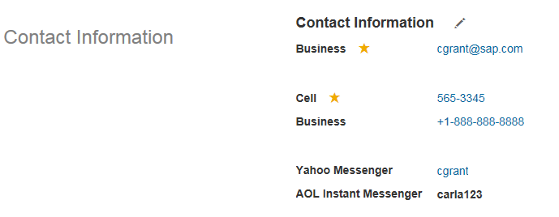
 |  | im-id | Instant Messaging ID | 即时消息传递标识符 | Id expresberichten | Instant Messaging ID | Instant Messaging ID | Identifiant de messagerie instantanée | Identifiant de messagerie instantanée | Kennung für Instant Messaging | ID messaggistica immediata | ID para mensagens instantâneas | ID de mensajería instantánea | ID de mensajería instantánea |  | STRING | 100 | Yes |  | No |  |  |  |  |  |  |  |  |  |  |  | You can enter the ID that identifies the user in the instant messaging application.
 |  | custom-string1-20 | Custom String XX |  |  |  |  |  |  |  |  |  |  |  |  | STRING | 256 |  |  |  |  |  |  |  |  |  |  |  |  |  |  | Up to 20 custom strings can be configured.
 |  | custom-date1-10 | Custom Date XX |  |  |  |  |  |  |  |  |  |  |  |  | DATE |  |  |  |  |  |  |  |  |  |  |  |  |  |  |  | Up to 10 custom dates can be configured. | View
 |  | custom-long1-20 | Custom Long XX |  |  |  |  |  |  |  |  |  |  |  |  | LONG |  |  |  |  |  |  |  |  |  |  |  |  |  |  |  | Up to 20 custom numbers can be configured.
 |  | custom-double1-20 | Custom Double XX |  |  |  |  |  |  |  |  |  |  |  |  | DOUBLE |  |  |  |  |  |  |  |  |  |  |  |  |  |  |  | Up to 20 custom decimals can be configured.

Propagations / Business Rules
Function Rule Description
No Rules Executing

 |  |  |  |  |  |  |  |  |  |  |  |  |  |  |  |  |  |  |  |  |  |  |  |  |  |  |  |  |  |  |  |  | Edit

Addresses
...
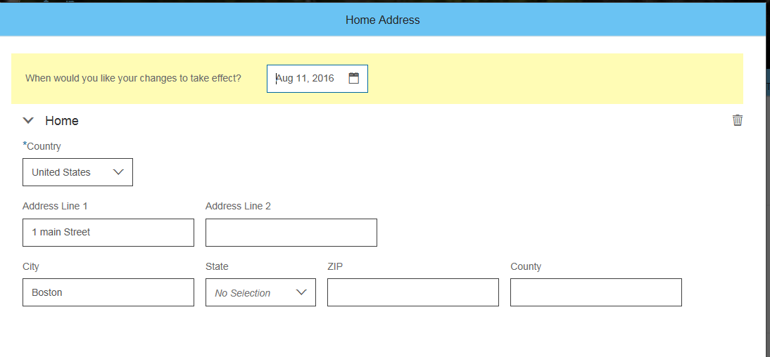
 |  |  |  | Learn More about this functionality:
HR Manager | HR Administrator | System Administrator | Comments | Home Address allows the Employee to enter multiple addresses. Each Country can define a specific address format using the available fields. The alternate fields available are used for those Countries that use non-standard character sets This portlet includes effective dated history. Note from 1605 all Home Address alternate fields have been included in the data model, with visibility as "none" so that they can be configured if required.
 |  |  |  | Edit
...

Work Permit
...
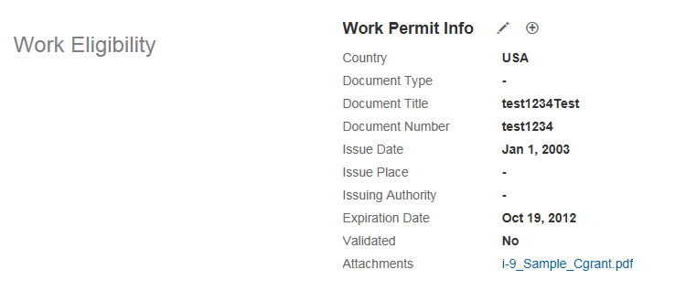
 |  |  |  |  | Learn More about this functionality:
HR Administrator | System Administrator | Global Mobility | Comments | Work Permit allows the Employee to record Work Permit documentation within their Employee Record. Multiple records, each having an attachment, can be stored against a single Employee
Edit | Edit | View | This field is used to capture the country for which the document is valid. The list of values comes from the predefined picklist ISOCountryList.
 |  |  | The type of the document for which the ID needs to be captured is given in this field. The list of values comes from the predefined cascading picklist permitdoctype, which is filtered based on the country selected in the country field. | View
 |  |  | You can enter the title of the document.
 |  |  | You can enter the number of the document.
 |  |  | Enter the date when the document was issued.
 |  |  | You can enter the place where the document was issued.
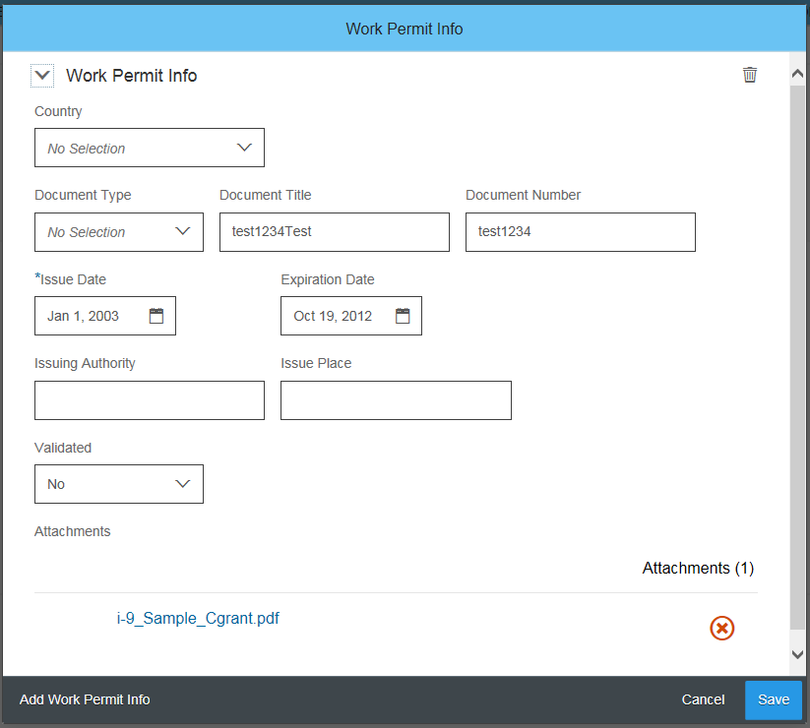
 |  |  | You can enter the authority that issued the document.
 |  |  | The work permit document is valid until this date.
 |  |  | You can indicate if the document has been validated by somebody. Possible values are Yes and No. | Edit
 |  |  | You can upload a copy of the work permit document in different formats, for example, .doc, .ppt, .png, and so on.
 |  |  | Up to 20 custom strings can be configured.
 |  |  | Up to 10 custom dates can be configured.
 |  |  | Up to 20 custom numbers can be configured.
 |  |  | Up to 20 custom decimals can be configured.
...

Emergency Contact
...
 |  |  |  |  | Learn More about this functionality:
HR Manager | HR Administrator | System Administrator | Global Mobility | Comments | Emergency Contact is used to list out one or more Emergency Contacts or Dependents for an Employee. The fields displayed for a record will depend on whether or not the record is set as a Dependent or not. The following fields only show when the Dependent field is set to 'Yes': - Gender - Disabled - Student - Address Same as Employee - Date of Birth - Address (Country Specific) NB: The Address field is used as a placeholder to define an Address for a Dependent. The fields displayed are based on the Country selected and are defined through the same configuration for Home Address NB: By selecting Yes for Address Same as Employee, the information against the Employees Home Address will automatically propagate across to the same fields in the Emergency Contact portlet
View | Edit | Edit | View | You can enter the full name of the contact person or dependent here.
 |  |  |  | You can define the relationship of the contact person or dependent with the employee. The relationship can be child, spouse, and so on. The list of values comes from the predefined picklist relation.
 |  |  |  | One of the contacts you enter in this portlet must be the primary emergency contact. Possible values are Yes and No.
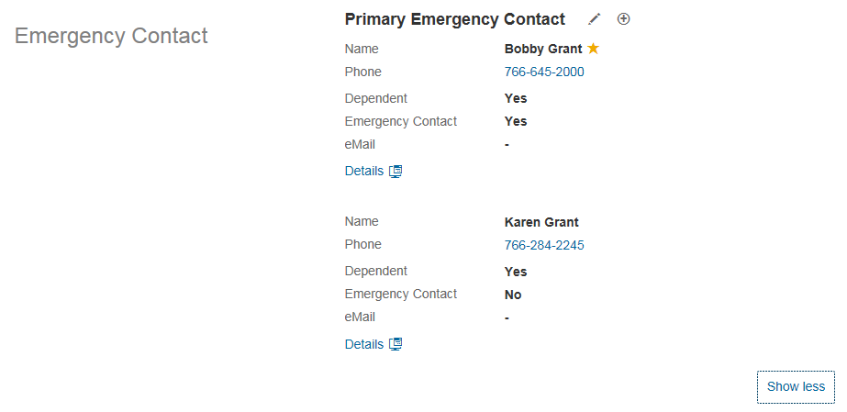
 |  |  |  | Enter the phone number of the contact person or dependent here.
 |  |  |  | If the contact person or dependent has a second phone number, you can add it here. | View
 |  |  |  | Define whether the person is a dependent of the employee. Possible values are Yes and No.
 |  |  |  | Define whether the person is an emergency contact of the employee. Possible values are Yes and No.
 |  |  |  | You can define the gender of the dependent here. This field is only available when the person identified in the Primary Emergency Contact portlet is a dependent. The list of values comes from a predefined picklist; you can choose from the following: Male, Female, Unknown, Undeclared
 |  |  |  | You can indicate if the dependent is disabled or not. This field is only available for dependents. Possible values are Yes and No.
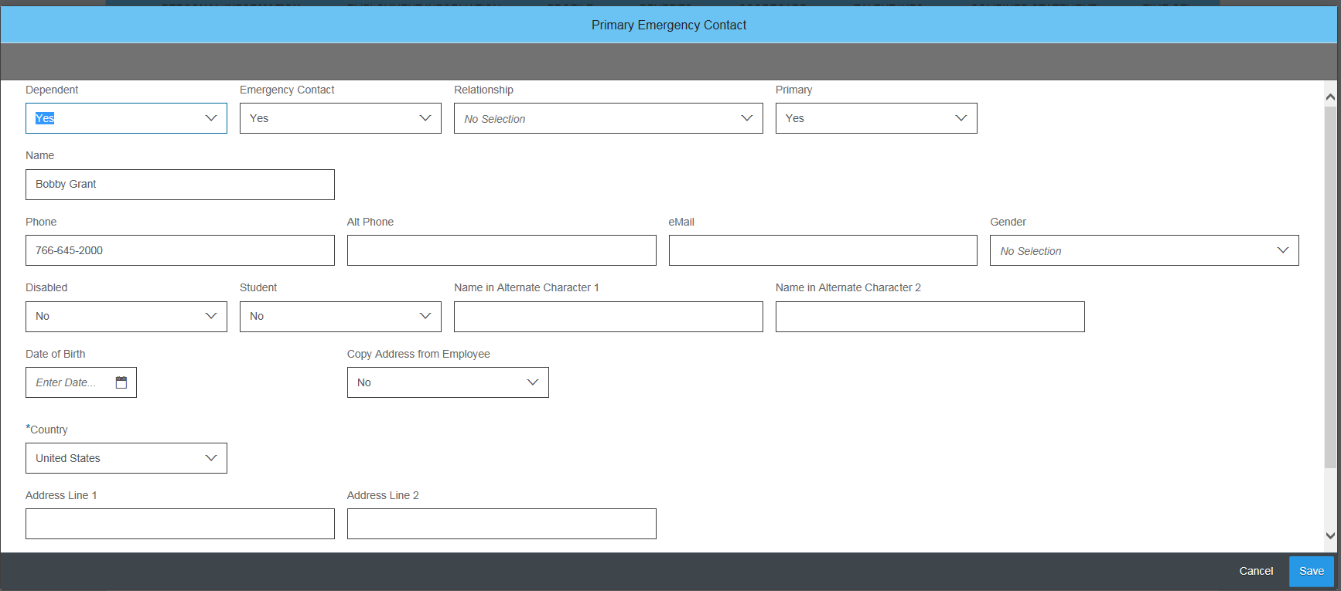
 |  |  |  | You can indicate whether the dependent is a student. This field is only available for dependents. Possible values are Yes and No. | Edit
 |  |  |  | You can enter the name of the dependent in alternate characters. This field is only available for dependents.
 |  |  |  | You can enter the name of the dependent in alternate characters. This field is only available for dependents.
 |  |  |  | You can enter the date of birth of the dependent here. This field is only available for dependents.
 |  |  |  | You can enter the email address of the contact person or dependent here.
 |  |  |  | You can indicate whether the dependent has the same address as the employee. This field is only available for dependents. Possible values are Yes and No.
 |  |  |  | Address fields determined by Home Address country specific addrerss fields
 |  |  |  | Up to 20 custom strings can be configured.
 |  |  |  | Up to 10 custom dates can be configured.
 |  |  |  | Up to 20 custom numbers can be configured.
 |  |  |  | Up to 20 custom decimals can be configured.
...

Dependents
...
 |  |  |  |  |  | Learn More about this functionality:
HR Administrator | System Administrator | Global Mobility | Comments | Dependents portlet is used to manage dependents at one central place serving as data source for external systems (e.g. payroll and/or benefits). Dependents will be stored as a person within the standard set of person related tables. This portlet is also integrated in manage global assignment functionality allowing the user to denote accompanying dependents.
Correct Data | Correct Data | View Current | You have to define the relationship of the dependent to the employee. The list of values comes from the picklist personRelationshipType. Possible values are: Child, Stepchild, Child of Domestic Partner, Spoue, Registered Partner, Divorced Spouse, Father, Mother, Brother, Sister, Related Persons, Domestic Partner
Correct Data | Correct Data | View Current | Determines whether the dependent will accompany the employee on a Global Assignment, and only appears in portlet when asssigning dependents to a Global Assignment on Take Action page.
Correct Data | Correct Data | View Current | When you add pension payouts, you can select this field to determine whether a dependent is the beneficiary of an employee’s pension payout in the event of that employee's death. Possible values are Yes and No. You must have activated Pension Payouts. | View
Correct Data | Correct Data | View Current | If the dependent of an employee has a document such as birth certificate, this can be uploaded by this field. |  | 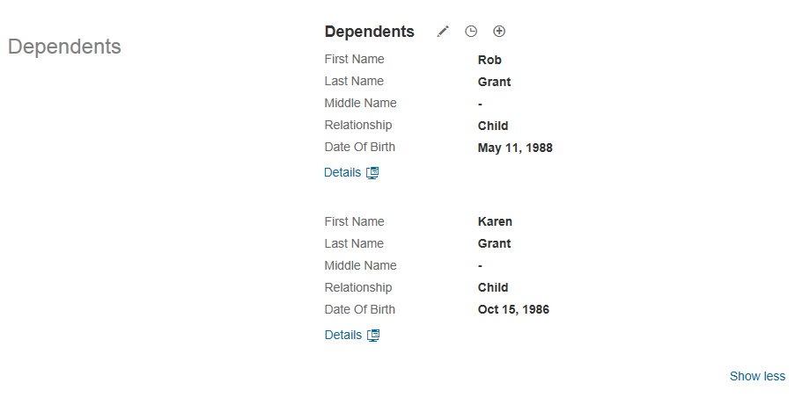
Correct Data | Correct Data | View Current
Correct Data | Correct Data | View Current
Correct Data | Correct Data | View Current | Controlled by Personal Info first-name settings.
Correct Data | Correct Data | View Current | Controlled by Personal Info last-name settings.
Correct Data | Correct Data | View Current | Controlled by Personal Info salutation settings.
Correct Data | Correct Data | View Current | Controlled by Personal Info middle-name settings.
Correct Data | Correct Data | View Current
Correct Data | Correct Data | View Current
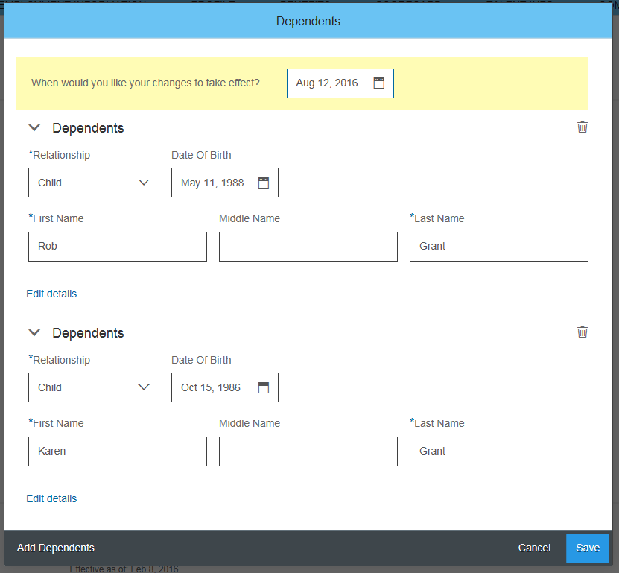
Correct Data | Correct Data | View Current | Controlled by Personal Info date-of-birth settings.
Correct Data | Correct Data | View Current | Controlled by Personal Info counrty-of-birth settings.
Correct Data | Correct Data | View Current |  | Edit
Correct Data | Correct Data | View Current
Correct Data | Correct Data | View Current | Controlled by National ID country settings.
Correct Data | Correct Data | View Current | Controlled by National ID card-type settings.
Correct Data | Correct Data | View Current | Controlled by National ID national-id settings.
Correct Data | Correct Data | View Current
Correct Data | Correct Data | View Current
Correct Data | Correct Data | Hide | If the address of an employee’s dependent is the same as the employee’s address, you can select Yes to copy the address information for the dependent. If the employee’s address subsequently changes, this change is not reflected in the dependent's address information unless you select Yes again.
Correct Data | Correct Data | View Current | Address fields determined by Home Address country specific addrerss fields
Correct Data | Correct Data | View Current
Correct Data | Correct Data | View Current | Up to 20 custom strings can be configured.
Correct Data | Correct Data | View Current | Up to 10 custom dates can be configured.
Correct Data | Correct Data | View Current | Up to 20 custom numbers can be configured.
Correct Data | Correct Data | View Current | Up to 20 custom decimals can be configured.
...
 |  |  |  |  |  |  | Dependents portlet on Take Action page
...

CSF Dependents
...
 |  |  |  | Learn More about this functionality:
HR Systems Administrator | System Administrator | Global Mobility | Comments | Additional Country Specific Dependent information is provided for the Dependents Portlet. The fields are specified in the Global Info section of the Country Specific Succession Data Model.
Correct Data | Correct Data | View Current | Is the dependent challenged?
Correct Data | Correct Data | View Current | If applicable, specify up to when family allowance is received.
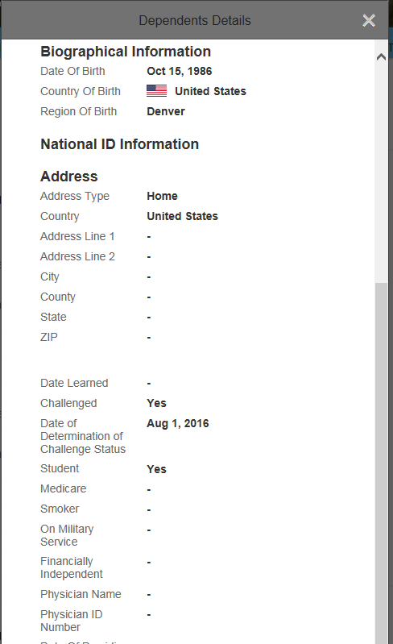
Correct Data | Correct Data | View Current | If applicable, specify when the employee informed the company of his or hers child's birth or adoption.
Correct Data | Correct Data | View Current | Indicate if the employee has submitted his or her child's birth certificate. | View
Correct Data | Correct Data | View Current | Specify by when does the employee need to submit his or her child's birth certificate.
Correct Data | Correct Data | View Current | Is the dependent employed?
Correct Data | Correct Data | View Current | Is the dependent a student?
Correct Data | Correct Data | View Current | Enter the relevant grade or year.
Correct Data | Correct Data | View Current | Enter the school type.
Correct Data | Correct Data | View Current | Here you can specify if the dependent is a member of the employee's extended family.
Correct Data | Correct Data | View Current | Here you can specify if employees in or dependents of employees are exempt from paying the service fee for the e-card.
Correct Data | Correct Data | View Current | Enter the type of accommodation the dependent has.
Correct Data | Correct Data | View Current | Choose the bonus type, if applicable.
Correct Data | Correct Data | View Current | Indicate if the dependent is entitled to a family allowance.
Correct Data | Correct Data | View Current | If applicable, enter details of the family allowance.
Correct Data | Correct Data | View Current | If applicable, enter details of the family allowance.
Correct Data | Correct Data | View Current | If applicable, enter details of the family allowance.
Correct Data | Correct Data | View Current | If applicable, enter details of the family allowance.
Correct Data | Correct Data | View Current | If applicable, enter details of the family allowance.
Correct Data | Correct Data | View Current | Enter the tax office to which the dependent is assigned.
Correct Data | Correct Data | View Current | Enter the dependent's tax number.
Correct Data | Correct Data | View Current | Is the dependent challenged?
Correct Data | Correct Data | View Current | Is this person relevant to an employee's salary garnishment?
Correct Data | Correct Data | View Current | Are the dependentand employee officially registered as living together?
Correct Data | Correct Data | View Current | Is this person taken into consideration for tax purposes?
Correct Data | Correct Data | View Current | Here you can specify the date-of-death of the dependent.
Correct Data | Correct Data | View Current | Is the dependent a widow/widower?
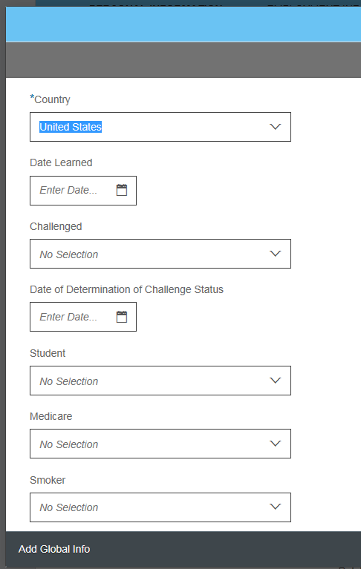
Correct Data | Correct Data | View Current | Is this dependent eligible for children's allowance
Correct Data | Correct Data | View Current | What's is the partner's profession? | Edit
Correct Data | Correct Data | View Current | What is the partner's income?
Correct Data | Correct Data | View Current | Enter the dependent's birth certificate number.
Correct Data | Correct Data | View Current | Is the dependent eligible for children's allowance?
Correct Data | Correct Data | View Current | Enter thename of the public notary.
Correct Data | Correct Data | View Current | Enter the expirationdate of thedependent's vaccination card.
Correct Data | Correct Data | View Current | Enter the dependent's birth registry office number.
Correct Data | Correct Data | View Current | Enter the dependent's entry ledger number, if applicable.
Correct Data | Correct Data | View Current | Enter the dependent's enter sheet number, if applicable.
Correct Data | Correct Data | View Current | Enter the dependent's national health card number.
Correct Data | Correct Data | View Current | Enter the dependent's birth certificate register.
Correct Data | Correct Data | View Current | Enter the dependent's sick leave date, if applicable.
Correct Data | Correct Data | View Current | Enter the dependent's certificate date of delivery.
Correct Data | Correct Data | View Current | Specify if the dependent is eligible for an income tax discount. The list of values comes from the predefined picklist yesno.
Correct Data | Correct Data | View Current | Specify if the dependent is a smoker. The list of values comes from the predefined picklist yesno.
Correct Data | Correct Data | View Current | Specify the dependent's education level.
Correct Data | Correct Data | View Current | Choose the dependent's grade.
Correct Data | Correct Data | View Current | Choose the dependent's specification.
Correct Data | Correct Data | View Current | Enter the dependent's birth certificate number.
Correct Data | Correct Data | View Current | Is the dependent eligible for children's allowance?
Correct Data | Correct Data | View Current | Is the dependent eligible for an education allowance?
Correct Data | Correct Data | View Current | Is the dependent a student?
Correct Data | Correct Data | View Current | Does the dependent go to school?
Correct Data | Correct Data | View Current | Date of School Certificate
Correct Data | Correct Data | View Current | Dependent's Mother's Name
Correct Data | Correct Data | View Current | Is the employee a health care dependent?
Correct Data | Correct Data | View Current | Is the dependent challenged?
Correct Data | Correct Data | View Current | Enter the personal ID of the second parent.
Correct Data | Correct Data | View Current | Here you can enter the mother's leave quota.
Correct Data | Correct Data | View Current | Choose the dependent's Census Metropolitan Area (CMA), for example, Toronto.
Correct Data | Correct Data | View Current | Specify if the dependent is financially independent.
Correct Data | Correct Data | View Current | Enter the dependent's phone number.
Correct Data | Correct Data | View Current | Here you can enter the details of the family physician.
Correct Data | Correct Data | View Current | Here you can enter the details of the family physician.
Correct Data | Correct Data | View Current | Specify if the dependent smokes or not.
Correct Data | Correct Data | View Current | Is the dependent a student?
Correct Data | Correct Data | View Current | Specify the type of dependent.
Correct Data | Correct Data | View Current | Is the dependent eligible for an extended age limit, which is relevant for allowance purposes?
Correct Data | Correct Data | View Current | Is the dependent living with the employee?
Correct Data | Correct Data | View Current | Enter the dependent's RUT ID number.
Correct Data | Correct Data | View Current | Specify if the dependent is challenged.
Correct Data | Correct Data | View Current | Choose the dependent's occupation.
Correct Data | Correct Data | View Current | Choose the dependent's job status.
Correct Data | Correct Data | View Current | Choose the dependent's political status.
Correct Data | Correct Data | View Current | Specify if the dependent and the employee work in the same company.
Correct Data | Correct Data | View Current | Enter the date of marriage.
Correct Data | Correct Data | View Current | Here you can specify if the dependent is a student.
Correct Data | Correct Data | View Current | Here you can enter the end date of the dependent's education.
Correct Data | Correct Data | View Current | Here you can specify if the dependent is entitled to a tax free amount.
...

Employment Info - At Hire
...
 |  |  |  | Learn More about this functionality:
HR Administrator | System Administrator | Global Mobility | Comments | Employment Information defines the engagement level information for an Employee that outlines the Employee's most recent Hire information as well as eligibilities around Stock and Benefits at the Employment level. NB: Employment Information is split into two sections: - Hire - Termination They are grouped in the same section within the UI and the portlet functionality but the fields for Termination will only show when the Employee is Terminated. This also means the Custom fields are split between the two sections as noted. This is a Country Specific portlet and fields can be configured individually by Country
Edit | Edit | View | Enter the date of the current hire for an employment.
Hide | Hide | Hide | This field is now redundant, please hide.
Hide | Hide | Hide | You can enter the employee’s first date at the company here. If you use payroll integration with SAP ERP, this field is required for legal reporting in the USA.
Edit | Edit | View | If the employee has been working for the company before, enter the date of the first hire in the organization in this field.
Hide | Hide | Hide | This field is required when you have set up Concurrent Employments in Provisioning. Here you define the company where the concurrent employment takes place; it can be the same company as specified for the existing employment.
Edit | Edit | View | This is the date from which seniority should be calculated.
Hide | Hide | Hide | This is the start date from which the employee is eligible for benefits.
Hide | Hide | Hide | This field shows the previous employee ID if the employee has been at the company before. The new ID differs from the old ID, because the employee is considered as a new hire, even if the employee has worked for the same company before.
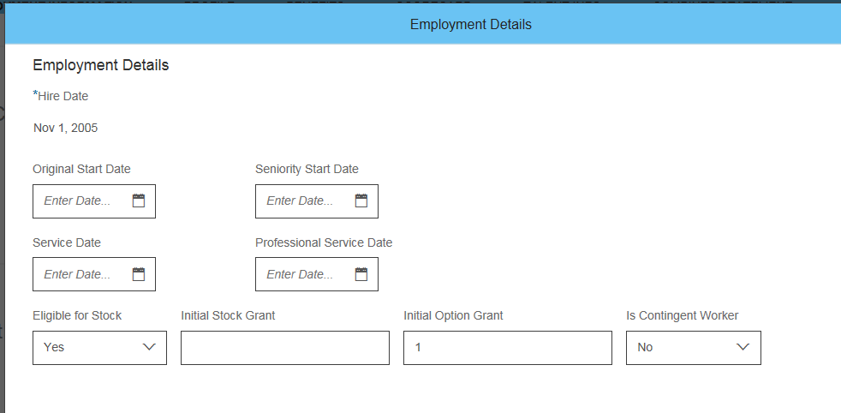
Hide | Hide | Hide | You can indicate if the employee is eligible for stock. Possible values are Yes and No. | Edit
Hide | Hide | Hide | You can use this date to grandfather service to rehired employees. In rare cases, a job credit is given to an employee and service date is adjusted. For example, if an employee is rehired with less than a 6 month break, the service date is set to the original hire date.
...
Hide | Hide | Hide | This is the initial number of stock granted to the employee.
Hide | Hide | Hide | You can use this field to track dates for professionial experience.
Hide | Hide | Hide | This is the initial number of options granted to the employee.
Hide | Hide | Hide | The job credit corresponds to the seniority an employee can acquire before joining the company.
Hide | Hide | Hide | This is a text field where the user can enter additional information if required.
Hide | Hide | Hide | This field will have a value "1" if the user is a contingent worker. "0" if user is a regular worker.
Hide | Hide | Hide | This field is used to indicate whether this is the Employee's First Employment or not.
 |  |  | Note range shared with Employment Info at Termination
 |  |  | Note range shared with Employment Info at Termination
 |  |  | Note range shared with Employment Info at Termination
 |  |  | Note range shared with Employment Info at Termination
...

Employment Info - At Term
...
 |  |  |  | Learn More about this functionality:
HR Administrator | System Administrator | Global Mobility | Comments | Employment Information defines the engagement level information for an Employee that outlines the Employee's most recent Hire information as well as eligibilities around Stock and Benefits at the Employment level. NB: Employment Information is split into two sections: - Hire - Termination They are grouped in the same section within the UI and the portlet functionality but the fields for Termination will only show when the Employee is Terminated. This also means the Custom fields are split between the two sections as noted. This is a Country Specific portlet and fields can be configured individually by Country
Hide | Hide | Hide | Enter the end date of the employee's working contract with the company.
Hide | Hide | Hide | If the employee can be rehired, set this field to Yes.
Edit | Edit | View | The last payroll for this employee. By default, this is the same date as the termination date, unless you change it here.
Hide | Hide | Hide | The last day the employee worked for the company. By default, this is the same date as the termination date, unless you change it here.
Hide | Hide | Hide | If this termination is a loss for the organization, set this field to Yes.
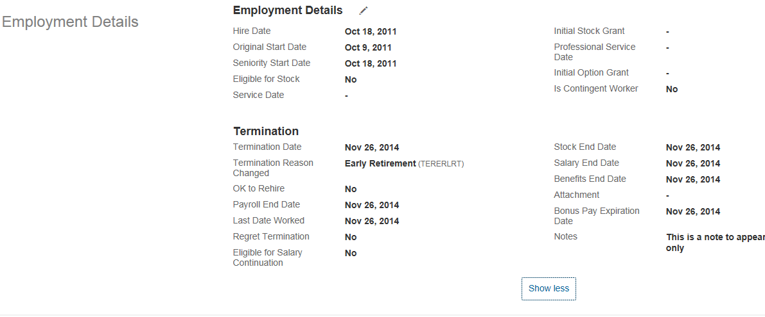
Hide | Hide | Hide | This field indicates that the employee is eligible for salary continuation. Possible values are Yes and No. | View
Hide | Hide | Hide | Bonus pays are being paid until this date. By default, this is the same date as the termination date, unless you change it here.
Hide | Hide | Hide | Stocks are granted until this date. By default, this is the same date as the termination date, unless you change it here.
Hide | Hide | Hide | Salary is paid until this date. By default, this is the same date as the termination date, unless you change it here.
Hide | Hide | Hide | Benefits are granted until this date. By default, this is the same date as the termination date, unless you change it here.
 |  |  | Note range shared with Employment Info at Hire
 |  |  | Note range shared with Employment Info at Hire
 |  |  | Note range shared with Employment Info at Hire
 |  |  | Note range shared with Employment Info at Hire
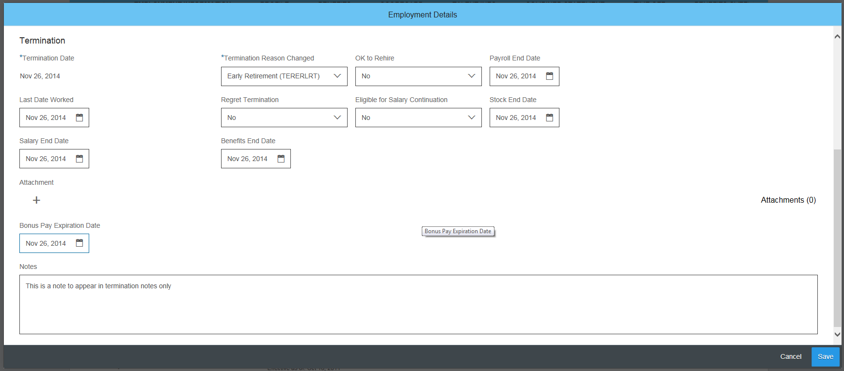
...

Job Info
...
 |  |  | Learn More about this functionality:
System Administrator | Globsl Mobility | Comments | Job Information is the main job based portlet that is recorded for the Employee. This portlet records all of the individual attributes of the Employee's current Job posting. NB: FTE is a calculated field and is based off Job Information.Standard Hours / Company.Standard Hours NB: Employment Status is a floating field that is derived from the changes made to an Employee through transactions. The status is non-configurable. This is a Country Specific portlet and fields can be configured individually by Country This portlet includes effective dated history.
Correct Data | Add Data | This field is only shown when you have activated Position Management.
Correct Data | View Current & History | This field shows when the incumbent has taken on a position. You can change this field manually. This field is only shown when you have activated Position Management.
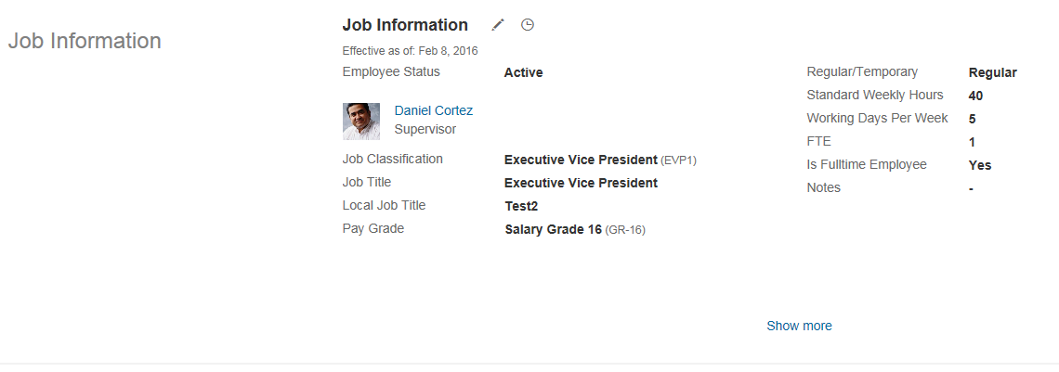
Correct Data | View Current & History | This field shows how long the incumbent has been in a position. This time is calculated by the system and shows the time difference between the current date (or the end date for history records) and the Position Entry Date. You cannot change this value. This field is only shown when you have activated Position Management. |  | View
Correct Data | View Current & History | This is the company or legal entity where the employee is hired. The country of the legal entity determines the country-specific attributes displayed in the Job Information portlet, and is mandatory for all EC job information records.
Correct Data | View Current & History | This field contains the country the company is located in. The values are derived from the country (territory ID) of the legal entity, showing the values from the picklist ISOCountryList. The field cannot be edited. Fields in the section Job Information can use the picklist ISOCountryList as parent picklist, for example for the hris-field notice-period. In this case it is mandatory that the field country-of-company is visible in the same portlet as the field using this picklist as parent picklist.
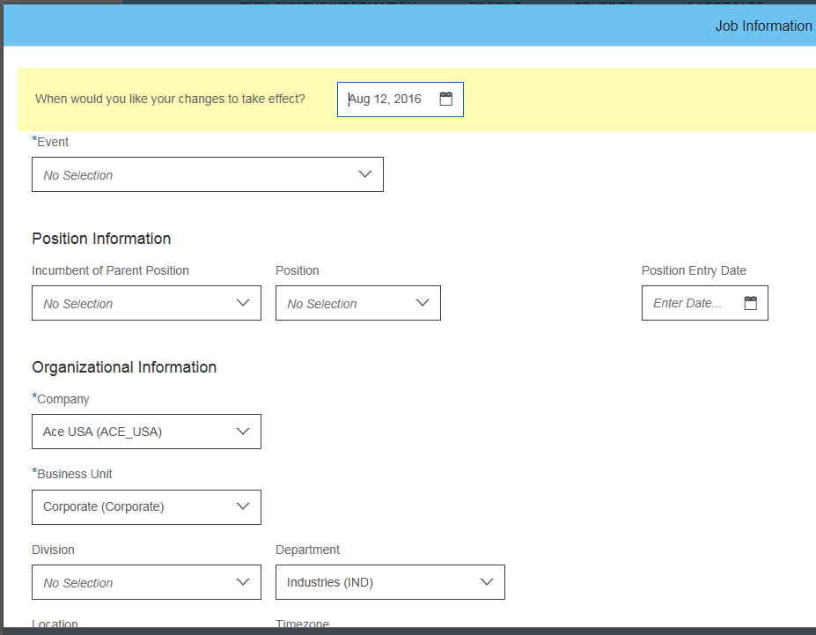
Correct Data | View Current & History | If you have defined business unit foundation objects, this field contains the external code of those business units. |  | Edit
Correct Data | View Current & History | If you have defined division foundation objects, this field contains the external code of those divisions. This field is synced to the standard element 'division' in the Employee Profile.
Correct Data | View Current & History | If you have defined department foundation objects, this field contains the external code of those departments.
Correct Data | View Current & History | If you have defined location foundation objects, this field contains the external code of those locations.
Correct Data | View Current & History | Displays the timezone for the location in which the job is situated. NOTE you should not disable this field if you want employee's local time to be correctly displayed in the Public Profile as the timezone field is synced via HRIS Sync to the Employee Profile.
Correct Data | View Current & History | If you have defined cost center foundation objects, this field contains the external code of those cost centers. Note from 1411 the Cost Center Foundation Obejct will be migrated into an MDF object.
Correct Data | Add Data | You can choose from the list of existing users in the system to identify the employee's manager. This information is then used to build the Org Chart.
Correct Data | View Current & History | This is the job classification of the employee. If you have defined job classification foundation objects, this field contains the external code of those job classifications
Correct Data | View Current & History | This field is automatically filled with the job title defined in the job classification foundation object.
Correct Data | Add Data | Here you can enter the local job title if it differs from the company-wide used job title.
Correct Data | Add Data | This field indicates if the worker is an employee, a contractor, an intern, and so on.
Correct Data | View Current & History | If you have defined pay grade foundation objects, this field contains the external code of those pay grades.
Correct Data | View Current & History | This field indicates whether the employee is regular or temporary.
Correct Data | View Current & History | You can define the standard weekly hours the employee is supposed to work. This should be the same amount as defined in the employee's contract.
...
Hide | Hide | You can enter the number of working days per week. It is not a working schedule. The number must be smaller than or equal 7. For example: 5, 3.5 etc. This field is required if you use payroll integration with SAP ERP.
Hide | Hide
Correct Data | View Current & History | This is a calculated field that cannot be updated manually. FTE stands for “full-time equivalent” and indicates an employee's working hours or a legal entity's standard working hours.
Correct Data | View Current & History | You can indicate if the employee is a full-time employee.
Hide | Hide | This is where you indicate if the employee works in shift.
Hide | Hide | The shift code indicates in which shift the employee works in.
Hide | Hide | Enter the shift rate (numeric) if applicable.
Hide | Hide | Enter the shift percentage (numeric) if applicable.
Hide | Hide | You can define whether the employee type is hourly, salaried, exception hourly, not applicable, and so on. The list of values comes from the predefined picklist employee-type.
Hide | Hide | This is customer configurable picklist to categorize manager types.
Hide | Hide | You can indicate if the employee is a cross-border worker.
Hide | Hide | Set this field to indicate whether a competition clause has been defined for the employee. A competition clause is an agreement restricting an employee who leaves the enterprise from acquiring employment with a competitor within a specific industry, or period of time. Possible values are Yes and No.
Correct Data | View Current & History | Here you enter the end date of the employee's probationary period.
Hide | Hide | This is a text field where the user can enter additional information if required.
Correct Data | View Current & History | Note This field has been deprecated and should no longer be used. Allows a document to be uploaded and attached to the record.
Hide | Hide | You can define the class for equal employment opportunities. The list of values comes from the predefined picklist eeo-class.
Hide | Hide | Radford Global Compensation Survey standard job code
Correct Data | Add Data | This is customer configurable picklist to track types of employment, for example, apprentice, fulltime, and so on.
Hide | Hide | This field is not to be used. Leave the visibility to “none” to prevent this field from showing up in the role-based permission setup.
Hide | Hide | You can indicate whether the employee is eligible for a company financial plan.
Hide | Hide | This is a customer configurable picklist for customers who want to categorize supervisory levels
Hide | Hide | This field indicates if the employee gets an additional payment when on sick leave. Continued pay is affected when an employee is unable to work. The list of values comes from the predefined picklist SICKPAYSUPP. As you can use this field country dependent, you can create country dependent values by using the picklist ISOCountryList as parent picklist.
...
Hide | Hide | If an employee leaves the company, you can track the new company of the employee
Hide | Hide | This field indicates if the employee is allowed to take up a sideline job supplementary to the employee's main occupation. Possible values are Yes and No.
Correct Data | Add Data | This field is relevant for Time Off management. A holiday calendar shows the public holidays for a given period and country. If you have defined holiday calendar generic objects, this field contains the external code and name of those holiday calendars.
Correct Data | Add Data | This field is relevant for Time Off management. It defines how an employee’s total work time is divided. For example, an employee might be scheduled to work 40 hours a week, comprising 5 days of 8 hours each. If you have defined work schedule generic objects, this field contains the external code and name of those work schedules.
Correct Data | Add Data | This field is relevant for Time Off management. Different time types, such as work, vacation, and paid time off (PTO) can be assigned to a single structure, called the time profile. This time profile is then assigned to employees so that they know, for example, how much time off they can take and what kind. If you have defined time profile generic objects, this field contains the external code and name of those time profiles.
Hide | Hide | This field is relevant for Time Sheet. The Time Recording Profile contains employee specific settings for the Time Sheet. It sets the time recording method and the time valuation rules which are used for this employee. If you have defined time recording profile generic objects, this field contains the external code and name of those time recording profiles. Note: If time Sheet is enabled in provisioning, the Time Recording Profile can only be entered and saved together with the other three Time Information fields in job information.
Hide | Hide | Specifies an admissibility rule for the employee recording time. These admissibility rules control whether employees can amend time sheet data in the past and also determine whether they can amend already-approved time sheets.
Hide | Hide | The TimeRecordingVariant is introduced to distinguish for an employee whether (s)he is supposed to record absences and attendances duration based (default till b1508) or based on clock times. For existing customers the default will be set to DURATION using an upgrade script for b1511.
Hide | Hide | The Default Overtime Compensation Variant (OCV) is a system setting which is considered during a time valuation. This setting is used to determine which type of overtime is converted to time off entitlements. There are three variants available for a default overtime compensation variant. Three variants are configurable per employment: - OCV_FULL_PAYOUT: Base pay and premiums for overtime worked are both converted into time pay types. - OCV_NO_PAYOUT: Base pay and premiums for overtime worked are both treated as time off in lieu of overtime pay and posted to a specific time account. - OCV_BASE_PAYOUT: Base pay for overtime worked is converted into time pay types, while premiums are treated as time off in lieu of overtime pay and posted to a time account. There will no migration script to populate the default value to existing records; null value will be treated as OCV_FULL_PAYOUT (keeping backward compatibility)
...

Comp Info
...
 |  |  | Learn More about this functionality:
System Administrator | Global Mobility | Comments | The Compensation Information portlet is used to define the high level pay elements that are associated with an Employee. Generally speaking the information stored here is non-pay specific. NB: Compensation Information, Pay Components and Pay Targets are categorised in the UI through the general heading of Compensation Information. Each defined Pay Component Group will also show and calculate under this portlet and the access to them are driven by RBP. This is a Country Specific portlet and fields can be configured individually by Country This portlet includes effective dated history.
Correct Data | Add Data | You can define the pay group of the employee here. If you have defined pay group foundation objects, this field contains the external code of those pay groups.
Hide | Hide | The list of values for the pay type are predefined by picklist PayType. Possible values are salaried, commissioned, and so on.
Hide | Hide | You can indicate if the employee is eligible for benefits. Possible values are Yes and No.
Hide | Hide | Specify a Benefit Rate if applicable. This field is to show the benefits calculation for employees who have highly variable compensation, for example, employees who work on commission. This calculation determines their benefit coverage. Note there is no functionality associated with this field.
Hide | Hide | You can indicate if the employee is eligible for a company car. Possible values are Yes and No.
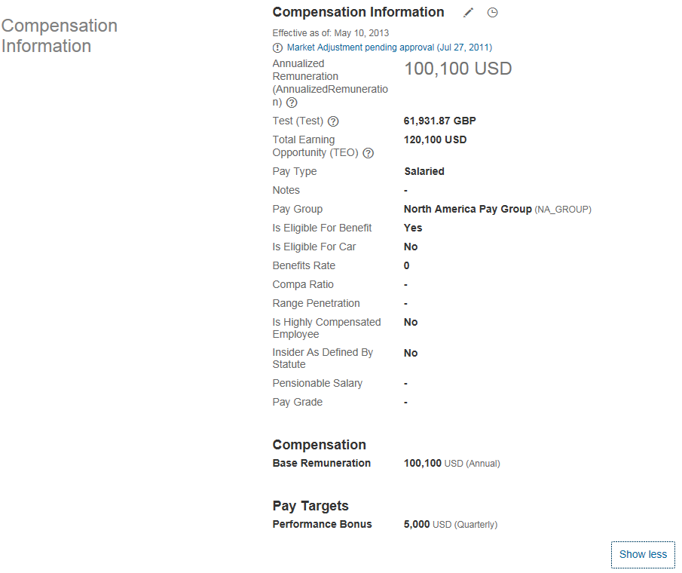
Correct Data | View Current & History | This field is calculated by the system; leave the visibility on “view”. | View
Correct Data | View Current & History | This field is calculated by the system; leave the visibility on “view”.
Correct Data | Add Data | Here you can enter the ID of the payroll that is used to compensate the employee.
Hide | Hide | Here you indicate if an employee is highly compensated. Possible values are Yes and No.
Hide | Hide | You can enter an amount that defines the employee's pensionable salary.
Hide | Hide | This is a text field where the user can enter additional information if required.
Hide | Hide | This field is synced to the standard-element 'jobLevel'.
Hide | Hide | Used to distinguish records created on the same day.
Hide | Hide | Here you can enter the ID of the payroll system used for compensating the employee.
Hide | Hide | This field is moving to the country-specific data model as it is US-specific, but is retained for legacy implementation support.
Hide | Hide | This field helps you to track insider trading on the stock market. You can define if an employee has access to insider information and is thus considered an insider according to the local insider law, for example, the Securities Exchange Act in the USA.
...
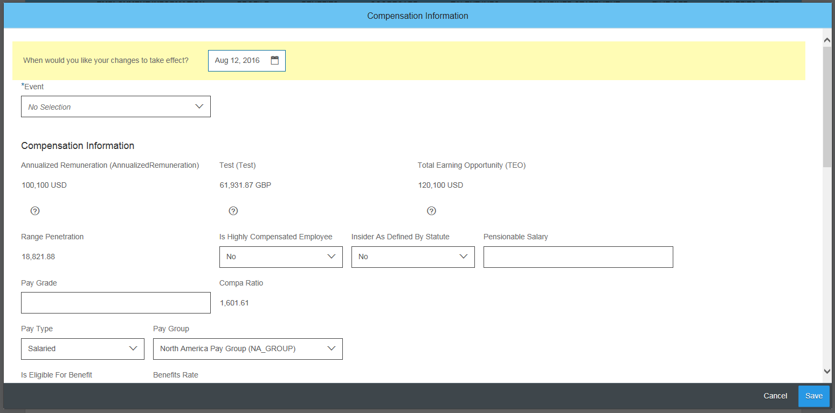
 |  | Up to 20 custom strings can be configured.
 |  | Up to 10 custom dates can be configured. | Edit
 |  | Up to 20 custom numbers can be configured.
 |  | Up to 20 custom decimals can be configured.
...

Pay Component
...
 |  |  |  | Learn More about this functionality:
HR Administrator | System Administrator | Global Mobility | Comments | Pay Component Recurring is where an Employee's components of pay are defined. Each section of their pay is defined as an individual line item and can have different frequencies or currencies This portlet includes effective dated history.
Edit | Edit | Edit | Enter the pay component that makes up the employee's total compensation, like base salary. If you have defined pay component foundation objects, this field contains the external code of those pay components.
 |  |  | You can specify for pay components of type PERCENTAGE of what exactly the pay component is a percentage, for example, bonus = 10% of base salary. Once this field is filled for a pay component, all employee pay components must use this value of the base pay component group field (it cannot be overwritten). Note If you enable this field as editable in the employee UIs, the value help will offer you all the pay component groups to which the pay component you are editing are assigned. So for example, you would get the pay component group “Total annual earnings” offered as a possible base pay component group for employee pay component base salary, bonus, and car allowance.
 |  |  | Here you define the amount of the component in numbers. | View
 |  |  | Here you select the currency of the pay component. The values come from the list of currencies.
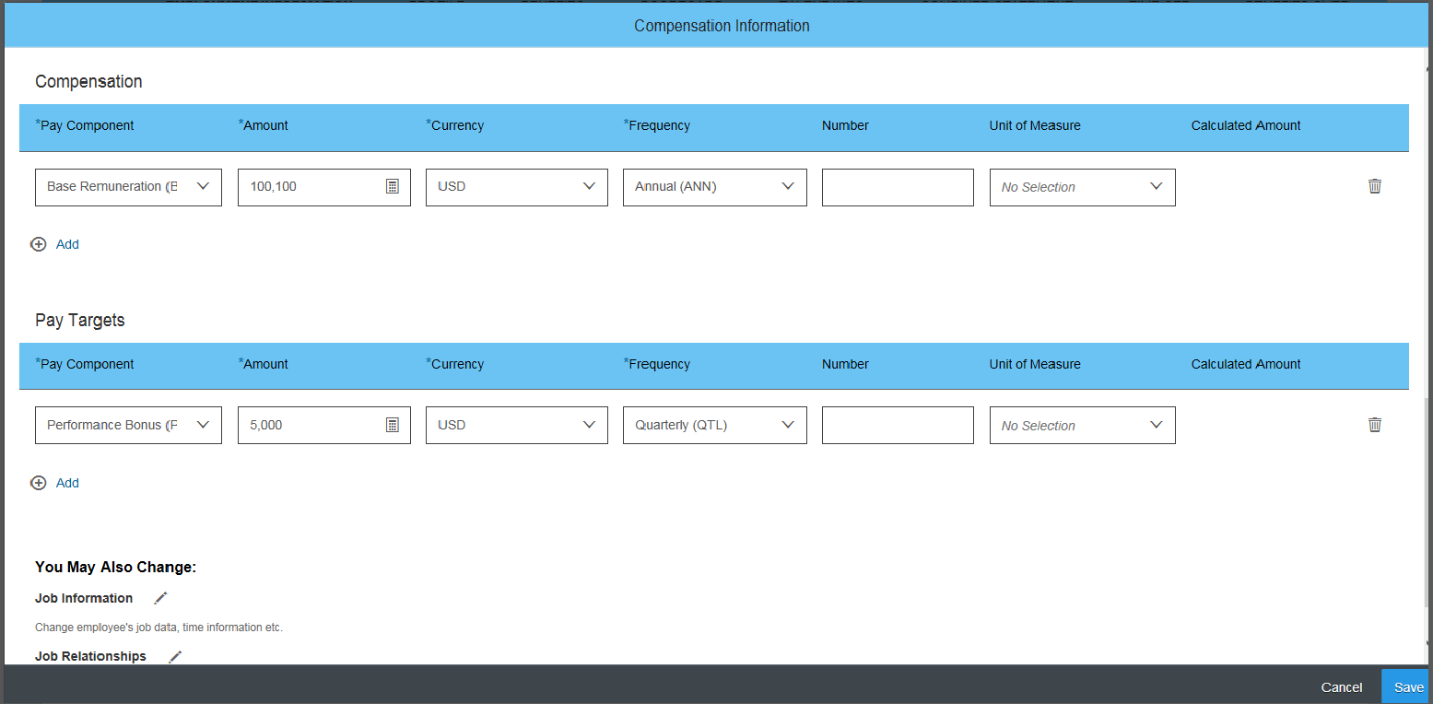
 |  |  | This is the frequency in which the pay component is paid, for example, monthly, annual, bi-weekly, and so on. If you have defined frequency foundation objects, this field contains the external code of those frequencies. | Edit
 |  |  | Hidden in UI (Amount or Percentage)
 |  |  | Hidden in UI - This field controls whether the pay component is a target figure or percentage.
 |  |  | The value specified in this field is multiplied with the rate from the payscalelevel defined in Jobinfo. In case the payscalelevel is not available, the value specified in this field is multiplied with the rate defined for the Foundation Object which is then displayed in the calculated-amount field.
 |  |  | Displays the unit which is used. For example, kg, pound, pieces, and so on
 |  |  | For pay components of type AMOUNT, the calculated amount is set to the amount. - For pay components of type PERCENTAGE, the calculated amount is the amount of the corresponding base pay component group multiplied with the percentage which is stored in the field amount. - For pay components of type NUMBER, the calculated amount is the number entered in the employee pay component multiplied by a rate read from either the pay scale level or from the pay component foundation object definition. Note If the rate in the pay scale level is not available, the rate specified in the foundation object is used.
 |  |  | Up to 20 custom strings can be configured.
 |  |  | Up to 10 custom dates can be configured.
 |  |  | Up to 20 custom numbers can be configured.
 |  |  | Up to 20 custom decimals can be configured.
...
 |  |  |  | Learn More about this functionality:
HR Administrator | System Administrator | Global Mobility | Comments | Pay Component Non-Recurring is used to define spot bonuses and once off payments for an Employee
Edit | Edit | Edit | The date the compensation is issued.
 |  |  | Here you define the amount of the component in numbers.
 |  |  | For pay components of type AMOUNT, the calculated AMOUNT is set to the AMOUNT - For pay components of type PERCENTAGE, the calculated AMOUNT is the AMOUNT of the corresponding base pay component group multiplied with the PERCENTAGE which is stored in the field AMOUNT - For pay components of type NUMBER, the calculated AMOUNT is the NUMBER entered in the employee pay component multiplied by a rate read from either the pay scale level or from the pay component (FO) definition. Note If the rate in the payscalelevel is not available, the rate specified in the Foundation Object is used
 |  |  | If you have defined pay component foundation objects, this field contains the external code of those pay components. | View
 |  |  | components of type PERCENTAGE of what exactly the pay component is a percentage, for example, bonus = 10% of base salary. Once this field is filled for a pay component definition, all employee pay components must use this value of the base pay component group field (it cannot be overwritten). Note If you enable this field as editable in the employee UIs, the value help will offer you all the pay You can specify for pay component groups to which the pay component you are editing are assigned. So for example, you would get the pay component group “Total annual earnings” offered as a possible base pay component group for employee pay component base salary, bonus, and car allowance. Set to View to be displayed on the UI or None. Do not set it to Both
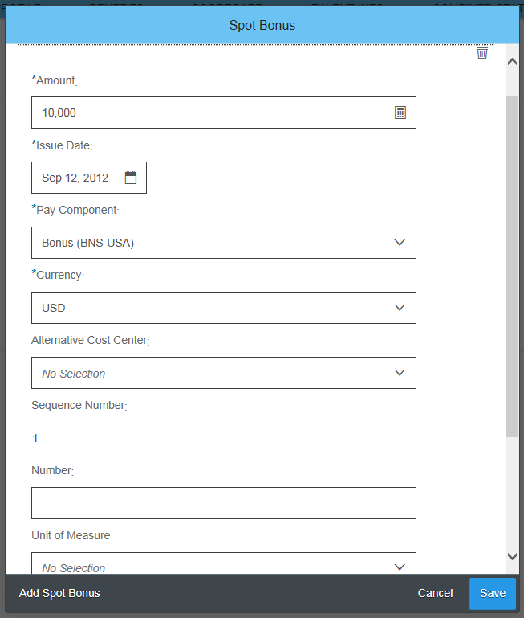
 |  |  | Select the currency the pay component is issued in from the list of currencies provided in this field.
 |  |  | This field shows whether the pay component is taxed or not
 |  |  | The date the compensation information is sent to payroll
 |  |  | You can assign an alternative cost center to the non-recurring payment by entering the cost center here. This field is relevant for payroll integration. For more information, see the SuccessFactors Employee Central Payroll Handbook. | Edit
 |  |  | This field has the visibility ‘none’ by default. So if the customers require these fields, then they need to change the data model to have the visibility set to ‘both’. The field values will be replicated to ERP if payroll is enabled.
 |  |  | This field has the visibility ‘none’ by default. So if the customers require these fields, then they need to change the data model to have the visibility set to ‘both’. The field values will be replicated to ERP if payroll is enabled.
 |  |  | The value specifed in this field is multiplied with the rate from the payscalelevel defined in Jobinfo. In case the payscalelevel is not available, the value specified in this field is multiplied with the rate defined for the Foundation Object which is then displayed in the calculated-amount field.
 |  |  | Displays the unit whish is used. For example, kg, Pound, pieces etc.
 |  |  | Up to 20 custom strings can be configured.
 |  |  | Up to 10 custom dates can be configured.
 |  |  | Up to 20 custom numbers can be configured.
 |  |  | Up to 20 custom decimals can be configured.
...

Global Assignment Info
...
 |  |  |  |  | Learn More about this functionality:
HR Manager | HR Administrator | System Administrator | Global Mobility | Comments | Global Assignment feature enables to manage assignment in other countries. An employee will have an active host and an active home record during the time of the Global Assignment.
View | Edit | Edit | Edit | Select the type of the global assignment. The list of values comes from the picklist global_assignment_type.
View | Edit | Edit | Edit | Enter the date when the global assignment is supposed to end.
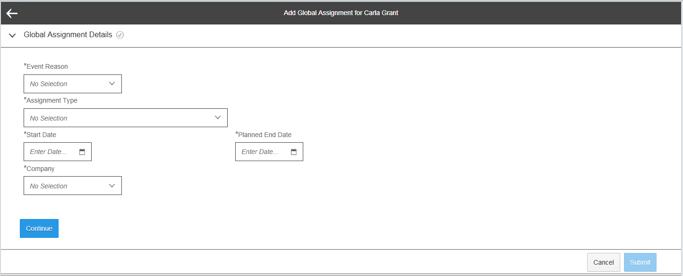
View | Edit | Edit | Edit | Enter the company the employee goes to for the global assignment. You can choose from the companies that are available in the system.
View | Edit | Edit | Edit | When you end a global assignment, you need to specify the actual end date.
View | Edit | Edit | Edit | The date of the last payroll for the global assignment.
View | Edit | Edit | Edit | The first 5 custom specific field numbers are used to add a global assignment, the last 5 custom field numbers are used to end a global assignment.
View | Edit | Edit | Edit | As above
View | Edit | Edit | Edit | As above
View | Edit | Edit | Edit | As above
...

